ImportantDisclosures
20 Bank Street, Canary Wharf
London E14 4AD
United Kingdom
Tel: +44 (0)20 7425 8000

Authors: Ross Law,Marie-Ange Riggio
Date: 07 Oct 2025

Ticker: SAF.PA
Stock Rating: Equal-weight
Industry: Aerospace & Defence
Industry View: Attractive
Price as of 07 Oct 2025: 298.00
Target Price: 324.00

e = Morgan Stanley Research estimates unless otherwise noted

Source: Morgan Stanley Research unless otherwise noted

Stocks ratings are relative to the analyst's industry coverage universe.

Morgan Stanley does and seeks to do business with companies covered in Morgan Stanley Research. As a
result, investors should be aware that the firm may have a conflict of interest that could affect the
objectivity of Morgan Stanley Research. Investors should consider Morgan Stanley Research as only a
single factor in making their investment decision.

The information and opinions in Morgan Stanley Research were prepared or are disseminated by Morgan
Stanley Europe S.E., regulated by Bundesanstalt fuer Finanzdienstleistungsaufsicht (BaFin) and/or Morgan
Stanley & Co. International plc, authorized by the Prudential Regulation Authority and regulated by the
Financial Conduct Authority and the Prudential Regulation Authority. Morgan Stanley & Co. International
plc disseminates in the UK research that it has prepared, and which has been prepared by any of its
affiliates, only to persons who (i) are investment professionals falling within Article 19(5) of the
Financial Services and Markets Act 2000 (Financial Promotion) Order 2005 (as amended, the “Order”); (ii)
are persons who are high net worth entities falling within Article 49(2)(a) to (d) of the Order; or
(iii) are persons to whom an invitation or inducement to engage in investment activity (within the
meaning of section 21 of the Financial Services and Markets Act 2000, as amended) may otherwise lawfully
be communicated or caused to be communicated. As used in this disclosure section, Morgan Stanley
includes RMB Morgan Stanley Proprietary Limited, Morgan Stanley Europe S.E., Morgan Stanley & Co
International plc and its affiliates.

For important disclosures, stock price charts and equity rating histories regarding companies that are
the subject of this report, please see the Morgan Stanley Research Disclosure Website at
www.morganstanley.com/researchdisclosures, or contact your investment representative or Morgan Stanley
Research at 1585 Broadway, (Attention: Research Management), New York, NY, 10036 USA.

For valuation methodology and risks associated with any recommendation, rating or price target
referenced in this research report, please contact the Client Support Team as follows: US/Canada +1 800
303-2495; Hong Kong +852 2848-5999; Latin America +1 718 754-5444 (U.S.); London +44 (0)20-7425-8169;
Singapore +65 6834-6860; Sydney +61 (0)2-9770-1505; Tokyo +81 (0)3-6836-9000. Alternatively you may
contact your investment representative or Morgan Stanley Research at 1585 Broadway, (Attention: Research
Management), New York, NY 10036 USA.

Analyst Certification

The following analysts hereby certify that their views about the companies and their securities
discussed in this report are accurately expressed and that they have not received and will not receive
direct or indirect compensation in exchange for expressing specific recommendations or views in this
report: Ross Law, CFA.

.

Global Research Conflict Management Policy

Morgan Stanley Research has been published in accordance with our conflict management policy, which is
available at www.morganstanley.com/institutional/research/conflictpolicies. A Portuguese version of the
policy can be found at www.morganstanley.com.br

Important Regulatory Disclosures on Subject Companies

As of September 30, 2025, Morgan Stanley beneficially owned 1% or more of a class of common equity
securities of the following companies covered in Morgan Stanley Research: Safran SA.

In the next 3 months, Morgan Stanley expects to receive or intends to seek compensation for investment
banking services from Safran SA.

Within the last 12 months, Morgan Stanley has received compensation for products and services other than
investment banking services from Safran SA.

Within the last 12 months, Morgan Stanley has provided or is providing investment banking services to,
or has an investment banking client relationship with, the following company: Safran SA.

Within the last 12 months, Morgan Stanley has either provided or is providing non-investment banking,
securities-related services to and/or in the past has entered into an agreement to provide services or
has a client relationship with the following company: Safran SA.

The equity research analysts or strategists principally responsible for the preparation of Morgan
Stanley Research have received compensation based upon various factors, including quality of research,
investor client feedback, stock picking, competitive factors, firm revenues and overall investment
banking revenues. Equity Research analysts' or strategists' compensation is not linked to investment
banking or capital markets transactions performed by Morgan Stanley or the profitability or revenues of
particular trading desks.

Morgan Stanley and its affiliates do business that relates to companies/instruments covered in Morgan
Stanley Research, including market making, providing liquidity, fund management, commercial banking,
extension of credit, investment services and investment banking. Morgan Stanley sells to and buys from
customers the securities/instruments of companies covered in Morgan Stanley Research on a principal
basis. Morgan Stanley may have a position in the debt of the Company or instruments discussed in this
report. Morgan Stanley trades or may trade as principal in the debt securities (or in related
derivatives) that are the subject of the debt research report.

Certain disclosures listed above are also for compliance with applicable regulations in non-US
jurisdictions.

STOCK RATINGS

Morgan Stanley uses a relative rating system using terms such as Overweight, Equal-weight, Not-Rated or
Underweight (see definitions below). Morgan Stanley does not assign ratings of Buy, Hold or Sell to the
stocks we cover. Overweight, Equal-weight, Not-Rated and Underweight are not the equivalent of buy, hold
and sell. Investors should carefully read the definitions of all ratings used in Morgan Stanley
Research. In addition, since Morgan Stanley Research contains more complete information concerning the
analyst's views, investors should carefully read Morgan Stanley Research, in its entirety, and not infer
the contents from the rating alone. In any case, ratings (or research) should not be used or relied
upon as investment advice. An investor's decision to buy or sell a stock should depend on individual
circumstances (such as the investor's existing holdings) and other considerations.

Global Stock Ratings Distribution

(as of September 30, 2025)

The Stock Ratings described below apply to Morgan Stanley's Fundamental Equity Research and do not apply
to Debt Research produced by the Firm.

For disclosure purposes only (in accordance with FINRA requirements), we include the category headings
of Buy, Hold, and Sell alongside our ratings of Overweight, Equal-weight, Not-Rated and Underweight.
Morgan Stanley does not assign ratings of Buy, Hold or Sell to the stocks we cover. Overweight,
Equal-weight, Not-Rated and Underweight are not the equivalent of buy, hold, and sell but represent
recommended relative weightings (see definitions below). To satisfy regulatory requirements, we
correspond Overweight, our most positive stock rating, with a buy recommendation; we correspond
Equal-weight and Not-Rated to hold and Underweight to sell recommendations, respectively.

 | Coverage Universe |  | Investment Banking Clients (IBC) |  |  | Other Material Investment Services Clients (MISC)
Stock Rating Category | Count | % of Total | Count | % of Total IBC | % of Rating Category | Count | % of Total Other MISC
Overweight/Buy | 1499 | 41 | 389 | 46 | 26 | 702 | 41
Equal-weight/Hold | 1618 | 44 | 375 | 44 | 23 | 782 | 45
Not-Rated/Hold | 4 | 0 | 1 | 0 | 25 | 1 | 0
Underweight/Sell | 577 | 16 | 88 | 10 | 15 | 234 | 14
Total | 3698 |  | 853 |  |  | 1719

Data include common stock and ADRs currently assigned ratings. Investment Banking Clients are companies
from whom Morgan Stanley received investment banking compensation in the last 12 months. Due to rounding
off of decimals, the percentages provided in the "% of total" column may not add up to exactly 100
percent.

Analyst Stock Ratings

Overweight (O). The stock's total return is expected to exceed the average total return of the analyst's
industry (or industry team's) coverage universe, on a risk-adjusted basis, over the next 12-18 months.

Equal-weight (E). The stock's total return is expected to be in line with the average total return of
the analyst's industry (or industry team's) coverage universe, on a risk-adjusted basis, over the next
12-18 months.

Not-Rated (NR). Currently the analyst does not have adequate conviction about the stock's total return
relative to the average total return of the analyst's industry (or industry team's) coverage universe,
on a risk-adjusted basis, over the next 12-18 months.

Underweight (U). The stock's total return is expected to be below the average total return of the
analyst's industry (or industry team's) coverage universe, on a risk-adjusted basis, over the next 12-18
months.

Unless otherwise specified, the time frame for price targets included in Morgan Stanley Research is 12
to 18 months.

Analyst Industry Views

Attractive (A): The analyst expects the performance of his or her industry coverage universe over the
next 12-18 months to be attractive vs. the relevant broad market benchmark, as indicated below.

In-Line (I): The analyst expects the performance of his or her industry coverage universe over the next
12-18 months to be in line with the relevant broad market benchmark, as indicated below.

Cautious (C): The analyst views the performance of his or her industry coverage universe over the next
12-18 months with caution vs. the relevant broad market benchmark, as indicated below.

Benchmarks for each region are as follows: North America - S&P 500; Latin America - relevant MSCI
country index or MSCI Latin America Index; Europe - MSCI Europe; Japan - TOPIX; Asia - relevant MSCI
country index or MSCI sub-regional index or MSCI AC Asia Pacific ex Japan Index.

.

Stock Price, Price Target and Rating History (See Rating Definitions)

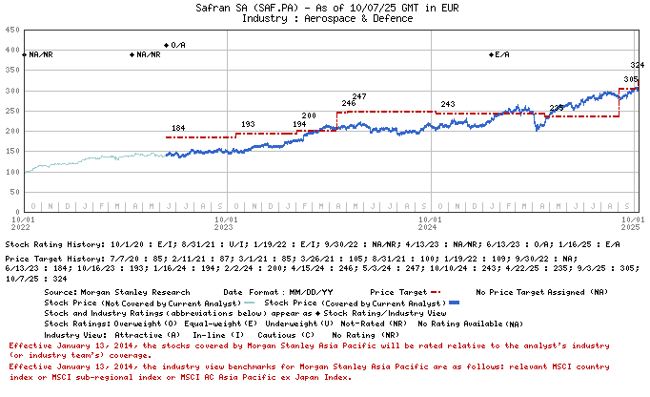

Important Disclosures for Morgan Stanley Smith Barney LLC Customers

Important disclosures regarding the relationship between the companies that are the subject of Morgan
Stanley Research and Morgan Stanley Smith Barney LLC or Morgan Stanley or any of their affiliates, are
available on the Morgan Stanley Wealth Management disclosure website at
www.morganstanley.com/online/researchdisclosures. For Morgan Stanley specific disclosures, you may refer
to www.morganstanley.com/researchdisclosures.

Each Morgan Stanley research report is reviewed and approved on behalf of Morgan Stanley Smith Barney
LLC. This review and approval is conducted by the same person who reviews the research report on behalf
of Morgan Stanley. This could create a conflict of interest.

Other Important Disclosures

Morgan Stanley Research policy is to update research reports as and when the Research Analyst and
Research Management deem appropriate, based on developments with the issuer, the sector, or the market
that may have a material impact on the research views or opinions stated therein. In addition, certain
Research publications are intended to be updated on a regular periodic basis
(weekly/monthly/quarterly/annual) and will ordinarily be updated with that frequency, unless the
Research Analyst and Research Management determine that a different publication schedule is appropriate
based on current conditions.

Morgan Stanley is not acting as a municipal advisor and the opinions or views contained herein are not
intended to be, and do not constitute, advice within the meaning of Section 975 of the Dodd-Frank Wall
Street Reform and Consumer Protection Act.

Morgan Stanley produces an equity research product called a "Tactical Idea." Views contained in a
"Tactical Idea" on a particular stock may be contrary to the recommendations or views expressed in
research on the same stock. This may be the result of differing time horizons, methodologies, market
events, or other factors. For all research available on a particular stock, please contact your sales
representative or go to Matrix at http://www.morganstanley.com/matrix.

Morgan Stanley Research is provided to our clients through our proprietary research portal on Matrix and
also distributed electronically by Morgan Stanley to clients. Certain, but not all, Morgan Stanley
Research products are also made available to clients through third-party vendors or redistributed to
clients through alternate electronic means as a convenience. For access to all available Morgan Stanley
Research, please contact your sales representative or go to Matrix at
http://www.morganstanley.com/matrix.

Any access and/or use of Morgan Stanley Research is subject to Morgan Stanley's Terms of Use
(http://www.morganstanley.com/terms.html). By accessing and/or using Morgan Stanley Research, you are
indicating that you have read and agree to be bound by our Terms of Use
(http://www.morganstanley.com/terms.html). In addition you consent to Morgan Stanley processing your
personal data and using cookies in accordance with our Privacy Policy and our Global Cookies Policy
(http://www.morganstanley.com/privacy_pledge.html), including for the purposes of setting your
preferences and to collect readership data so that we can deliver better and more personalized service
and products to you. To find out more information about how Morgan Stanley processes personal data, how
we use cookies and how to reject cookies see our Privacy Policy and our Global Cookies Policy
(http://www.morganstanley.com/privacy_pledge.html). Please use the provided link to review the Terms and
Conditions and Most Important Terms and Conditions for Morgan Stanley India Company Private Limited
(https://www.morganstanley.com/assets/pdfs/about-us-global-offices/india/Terms_and_conditions.pdf)

If you do not agree to our Terms of Use and/or if you do not wish to provide your consent to Morgan
Stanley processing your personal data or using cookies please do not access our research.

Morgan Stanley Research does not provide individually tailored investment advice. Morgan Stanley
Research has been prepared without regard to the circumstances and objectives of those who receive it.
Morgan Stanley recommends that investors independently evaluate particular investments and strategies,
and encourages investors to seek the advice of a financial adviser. The appropriateness of an investment
or strategy will depend on an investor's circumstances and objectives. The securities, instruments, or
strategies discussed in Morgan Stanley Research may not be suitable for all investors, and certain
investors may not be eligible to purchase or participate in some or all of them. Morgan Stanley Research
is not an offer to buy or sell or the solicitation of an offer to buy or sell any security/instrument or
to participate in any particular trading strategy. The value of and income from your investments may
vary because of changes in interest rates, foreign exchange rates, default rates, prepayment rates,
securities/instruments prices, market indexes, operational or financial conditions of companies or other
factors. There may be time limitations on the exercise of options or other rights in
securities/instruments transactions. Past performance is not necessarily a guide to future performance.
Estimates of future performance are based on assumptions that may not be realized. If provided, and
unless otherwise stated, the closing price on the cover page is that of the primary exchange for the
subject company's securities/instruments.

The fixed income research analysts, strategists or economists principally responsible for the
preparation of Morgan Stanley Research have received compensation based upon various factors, including
quality, accuracy and value of research, firm profitability or revenues (which include fixed income
trading and capital markets profitability or revenues), client feedback and competitive factors. Fixed
Income Research analysts', strategists' or economists' compensation is not linked to investment banking
or capital markets transactions performed by Morgan Stanley or the profitability or revenues of
particular trading desks.

The "Important Regulatory Disclosures on Subject Companies" section in Morgan Stanley Research lists all
companies mentioned where Morgan Stanley owns 1% or more of a class of common equity securities of the
companies. For all other companies mentioned in Morgan Stanley Research, Morgan Stanley may have an
investment of less than 1% in securities/instruments or derivatives of securities/instruments of
companies and may trade them in ways different from those discussed in Morgan Stanley Research.
Employees of Morgan Stanley not involved in the preparation of Morgan Stanley Research may have
investments in securities/instruments or derivatives of securities/instruments of companies mentioned
and may trade them in ways different from those discussed in Morgan Stanley Research. Derivatives may be
issued by Morgan Stanley or associated persons.

With the exception of information regarding Morgan Stanley, Morgan Stanley Research is based on public
information. Morgan Stanley makes every effort to use reliable, comprehensive information, but we make
no representation that it is accurate or complete. We have no obligation to tell you when opinions or
information in Morgan Stanley Research change apart from when we intend to discontinue equity research
coverage of a subject company. Facts and views presented in Morgan Stanley Research have not been
reviewed by, and may not reflect information known to, professionals in other Morgan Stanley business
areas, including investment banking personnel.

Morgan Stanley Research personnel may participate in company events such as site visits and are
generally prohibited from accepting payment by the company of associated expenses unless pre-approved by
authorized members of Research management.

Morgan Stanley may make investment decisions that are inconsistent with the recommendations or views in
this report.

To our readers based in Taiwan or trading in Taiwan securities/instruments: Information on
securities/instruments that trade in Taiwan is distributed by Morgan Stanley Taiwan Limited ("MSTL").
Such information is for your reference only. The reader should independently evaluate the investment
risks and is solely responsible for their investment decisions. Morgan Stanley Research may not be
distributed to the public media or quoted or used by the public media without the express written
consent of Morgan Stanley. Any non-customer reader within the scope of Article 7-1 of the Taiwan Stock
Exchange Recommendation Regulations accessing and/or receiving Morgan Stanley Research is not permitted
to provide Morgan Stanley Research to any third party (including but not limited to related parties,
affiliated companies and any other third parties) or engage in any activities regarding Morgan Stanley
Research which may create or give the appearance of creating a conflict of interest. Information on
securities/instruments that do not trade in Taiwan is for informational purposes only and is not to be
construed as a recommendation or a solicitation to trade in such securities/instruments. MSTL may not
execute transactions for clients in these securities/instruments.

Morgan Stanley is not incorporated under PRC law and the research in relation to this report is
conducted outside the PRC. Morgan Stanley Research does not constitute an offer to sell or the
solicitation of an offer to buy any securities in the PRC. PRC investors shall have the relevant
qualifications to invest in such securities and shall be responsible for obtaining all relevant
approvals, licenses, verifications and/or registrations from the relevant governmental authorities
themselves. Neither this report nor any part of it is intended as, or shall constitute, provision of any
consultancy or advisory service of securities investment as defined under PRC law. Such information is
provided for your reference only.

Morgan Stanley Research is disseminated in Brazil by Morgan Stanley C.T.V.M. S.A. located at Av.
Brigadeiro Faria Lima, 3600, 6th floor, São Paulo - SP, Brazil; and is regulated by the Comissão de
Valores Mobiliários; in Mexico by Morgan Stanley México, Casa de Bolsa, S.A. de C.V which is regulated
by Comision Nacional Bancaria y de Valores. Paseo de los Tamarindos 90, Torre 1, Col. Bosques de las
Lomas Floor 29, 05120 Mexico City; in Japan by Morgan Stanley MUFG Securities Co., Ltd. and, for
Commodities related research reports only, Morgan Stanley Capital Group Japan Co., Ltd; in Hong Kong by
Morgan Stanley Asia Limited (which accepts responsibility for its contents) and by Morgan Stanley Bank
Asia Limited; in Singapore by Morgan Stanley Asia (Singapore) Pte. (Registration number 199206298Z)
and/or Morgan Stanley Asia (Singapore) Securities Pte Ltd (Registration number 200008434H), regulated by
the Monetary Authority of Singapore (which accepts legal responsibility for its contents and should be
contacted with respect to any matters arising from, or in connection with, Morgan Stanley Research) and
by Morgan Stanley Bank Asia Limited, Singapore Branch (Registration number T14FC0118J); in Australia to
"wholesale clients" within the meaning of the Australian Corporations Act by Morgan Stanley Australia
Limited A.B.N. 67 003 734 576, holder of Australian financial services license No. 233742, which accepts
responsibility for its contents; in Australia to "wholesale clients" and "retail clients" within the
meaning of the Australian Corporations Act by Morgan Stanley Wealth Management Australia Pty Ltd (A.B.N.
19 009 145 555, holder of Australian financial services license No. 240813, which accepts responsibility
for its contents; in Korea by Morgan Stanley & Co International plc, Seoul Branch; in India by Morgan
Stanley India Company Private Limited having Corporate Identification No (CIN) U22990MH1998PTC115305,
regulated by the Securities and Exchange Board of India (“SEBI”) and holder of licenses as a Research
Analyst (SEBI Registration No. INH000001105); Stock Broker (SEBI Stock Broker Registration No.
INZ000244438), Merchant Banker (SEBI Registration No. INM000011203), and depository participant with
National Securities Depository Limited (SEBI Registration No. IN-DP-NSDL-567-2021) having registered
office at Altimus, Level 39 & 40, Pandurang Budhkar Marg, Worli, Mumbai 400018, India; Telephone no.
+91-22-61181000; Compliance Officer Details: Mr. Tejarshi Hardas, Tel. No.: +91-22-61181000 or Email:
tejarshi.hardas@morganstanley.com; Grievance officer details: Mr. Tejarshi Hardas, Tel. No.:
+91-22-61181000 or Email: msic-compliance@morganstanley.com. Morgan Stanley India Company Private
Limited (MSICPL) may use AI tools in providing research services. All recommendations contained herein
are made by the duly qualified research analysts; in Canada by Morgan Stanley Canada Limited; in Germany
and the European Economic Area where required by Morgan Stanley Europe S.E., authorised and regulated by
Bundesanstalt fuer Finanzdienstleistungsaufsicht (BaFin) under the reference number 149169; in the US by
Morgan Stanley & Co. LLC, which accepts responsibility for its contents. Morgan Stanley & Co.
International plc, authorized by the Prudential Regulation Authority and regulated by the Financial
Conduct Authority and the Prudential Regulation Authority, disseminates in the UK research that it has
prepared, and research which has been prepared by any of its affiliates, only to persons who (i) are
investment professionals falling within Article 19(5) of the Financial Services and Markets Act 2000
(Financial Promotion) Order 2005 (as amended, the “Order”); (ii) are persons who are high net worth
entities falling within Article 49(2)(a) to (d) of the Order; or (iii) are persons to whom an invitation
or inducement to engage in investment activity (within the meaning of section 21 of the Financial
Services and Markets Act 2000, as amended) may otherwise lawfully be communicated or caused to be
communicated. RMB Morgan Stanley Proprietary Limited is a member of the JSE Limited and A2X (Pty) Ltd.
RMB Morgan Stanley Proprietary Limited is a joint venture owned equally by Morgan Stanley International
Holdings Inc. and RMB Investment Advisory (Proprietary) Limited, which is wholly owned by FirstRand
Limited. The information in Morgan Stanley Research is being disseminated by Morgan Stanley Saudi
Arabia, regulated by the Capital Market Authority in the Kingdom of Saudi Arabia, and is directed at
Sophisticated investors only.

The information in Morgan Stanley Research is being communicated by Morgan Stanley & Co. International
plc (DIFC Branch), regulated by the Dubai Financial Services Authority (the DFSA) or by Morgan Stanley &
Co. International plc (ADGM Branch), regulated by the Financial Services Regulatory Authority Abu Dhabi
(the FSRA), and is directed at Professional Clients only, as defined by the DFSA or the FSRA,
respectively. The financial products or financial services to which this research relates will only be
made available to a customer who we are satisfied meets the regulatory criteria of a Professional
Client. A distribution of the different MS Research ratings or recommendations, in percentage terms for
Investments in each sector covered, is available upon request from your sales representative.

The information in Morgan Stanley Research is being communicated by Morgan Stanley & Co. International
plc (QFC Branch), regulated by the Qatar Financial Centre Regulatory Authority (the QFCRA), and is
directed at business customers and market counterparties only and is not intended for Retail Customers
as defined by the QFCRA.

As required by the Capital Markets Board of Turkey, investment information, comments and recommendations
stated here, are not within the scope of investment advisory activity. Investment advisory service is
provided exclusively to persons based on their risk and income preferences by the authorized firms.
Comments and recommendations stated here are general in nature. These opinions may not fit to your
financial status, risk and return preferences. For this reason, to make an investment decision by
relying solely to this information stated here may not bring about outcomes that fit your expectations.

The trademarks and service marks contained in Morgan Stanley Research are the property of their
respective owners. Third-party data providers make no warranties or representations relating to the
accuracy, completeness, or timeliness of the data they provide and shall not have liability for any
damages relating to such data. The Global Industry Classification Standard (GICS) was developed by and
is the exclusive property of MSCI and S&P.

Morgan Stanley Research, or any portion thereof may not be reprinted, sold or redistributed without the
written consent of Morgan Stanley.

Indicators and trackers referenced in Morgan Stanley Research may not be used as, or treated as, a
benchmark under Regulation EU 2016/1011, or any other similar framework.

The issuers and/or fixed income products recommended or discussed in certain fixed income research
reports may not be continuously followed. Accordingly, investors should regard those fixed income
research reports as providing stand-alone analysis and should not expect continuing analysis or
additional reports relating to such issuers and/or individual fixed income products.

Morgan Stanley may hold, from time to time, material financial and commercial interests regarding the
company subject to the Research report.

Registration granted by SEBI and certification from the National Institute of Securities Markets (NISM)
in no way guarantee performance of the intermediary or provide any assurance of returns to investors.
Investment in securities market are subject to market risks. Read all the related documents carefully
before investing.

© Copyright 2025 Morgan Stanley

IS
Balance Sheet Check | OK | OK | OK | OK | OK | OK | OK | OK | OK | OK | (0) | OK
 | - | - | - | - | - | - | - | - | - | - | - | -
Year End December, €mn | 2019 | 2020 | 2021 | 2022 | 2023 | 2024 | 2025e | 2026e | 2027e | 2028e | 2029e | 2030e
 | IFRS 15 | IFRS 15 | IFRS 15 | IFRS 15 | IFRS 15 | IFRS 15 | IFRS 15 | IFRS 15 | IFRS 15 | IFRS 15 | IFRS 15 | IFRS 15
Adjusted Income statement (for consensus) | 2019 | 2020 | 2021 | 2022 | 2023 | 2024 | 2025e | 2026e | 2027e | 2028e | 2029e | 2030e
Adjusted revenue (for consensus) | 24,640 | 16,498 | 15,257 | 19,035 | 23,199 | 27,317 | 31,490 | 34,952 | 38,149 | 40,932 | 41,841 | 43,494 | 11%

Other income | 297 | 267 | 373 | 440 | 474 | 438 | 500 | 500 | 500 | 500 | 500 | 500
Total income from operations | 24,937 | 16,765 | 15,630 | 19,475 | 23,673 | 27,755 | 31,990 | 35,452 | 38,649 | 41,432 | 42,341 | 43,994
Cost of sales | (20,285) | (14,341) | (12,990) | (16,204) | (19,669) | (22,583) | (25,468) | (28,050) | (30,334) | (32,390) | (32,991) | (34,048)
Adjusted EBITDA | 5,014 | 2,509 | 2,942 | 3,219 | 4,159 | 5,389 | 6,772 | 7,652 | 8,565 | 9,292 | 9,599 | 10,196 | 2.3
Margin % | 20.3% | 15.2% | 19.3% | 16.9% | 17.9% | 19.7% | 21.5% | 21.9% | 22.5% | 22.7% | 22.9% | 23.4%

Depreciation & amortisation | (1,194) | (823) | (1,137) | (811) | (993) | (1,270) | (1,487) | (1,645) | (1,786) | (1,911) | (1,954) | (2,030)
Asset impairments | 55 | (147) | 77 | (252) | (51) | 19 | - | - | - | - | - | -
Other recurring operating income & expenses | 102 | 148 | 156 | 103 | 84 | 39 | 50 | 50 | 50 | 50 | 50 | 50
Share in profit from JVs | 205 | 84 | 69 | 97 | 122 | 159 | 200 | 200 | 200 | 200 | 200 | 200
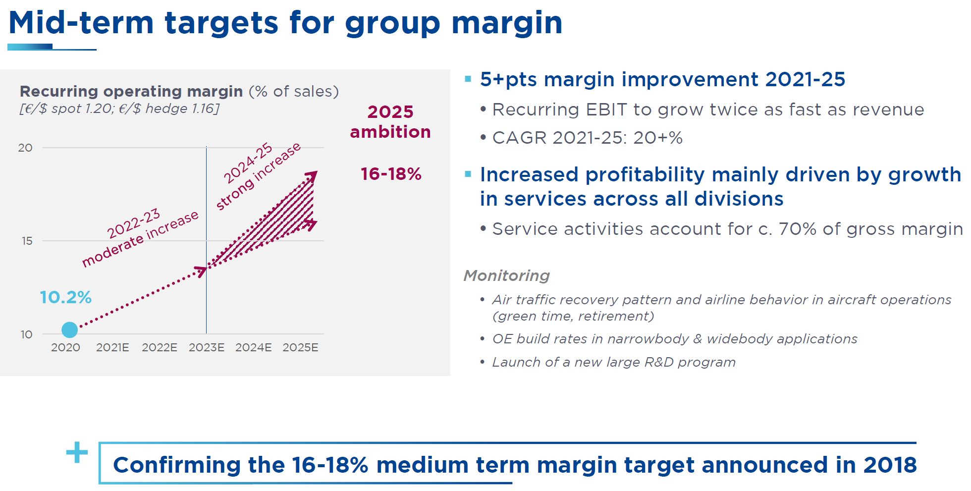
Recurring operating income (EBIT) | 3,820 | 1,686 | 1,805 | 2,408 | 3,166 | 4,119 | 5,285 | 6,007 | 6,779 | 7,381 | 7,645 | 8,166 | 16%
Margin % | 15.5% | 10.2% | 11.8% | 12.7% | 13.6% | 15.1% | 16.8% | 17.2% | 17.8% | 18.0% | 18.3% | 18.8% | 495

Other non-recurring operating income/ expense | 13 | (466) | (405) | (450) | (511) | 6 | (37) | - | - | - | - | -
Profit from operations | 3,833 | 1,220 | 1,400 | 1,958 | 2,655 | 4,125 | 5,248 | 6,007 | 6,779 | 7,381 | 7,645 | 8,166

Cost of net debt | (33) | (58) | (85) | (56) | 112 | 157 | 140 | 73 | 125 | 183 | 245 | 347
FX gains | (9) | 93 | (105) | (95) | 66 | (106) | (80) | - | - | - | - | -
Other financial income & expense | (47) | (42) | (14) | (35) | (4) | (28) | 35 | - | - | - | - | -
Total financial income (expense) | (89) | (7) | (204) | (186) | 174 | 23 | 95 | 73 | 125 | 183 | 245 | 347

Share of profits from associates | - | - | - | - | - | - | - | - | - | - | - | -
EBT | 3,744 | 1,213 | 1,196 | 1,772 | 2,829 | 4,148 | 5,343 | 6,080 | 6,904 | 7,564 | 7,891 | 8,513
Taxes | (1,012) | (334) | (412) | (557) | (724) | (987) | (1,736) | (1,520) | (1,726) | (1,891) | (1,973) | (2,128)
Effective tax rate % | 27.0% | 27.5% | 34.4% | 31.4% | 25.6% | 23.8% | 32.5% | 25.0% | 25.0% | 25.0% | 25.0% | 25.0%
Gains on disposal of associates/investments | 0 | 0 | 0 | 0 | 0 | 0 | 0 | 0 | 0 | 0 | 0 | 0
Profit from continuing operations | 2,732 | 879 | 784 | 1,215 | 2,105 | 3,161 | 3,606 | 4,560 | 5,178 | 5,673 | 5,918 | 6,384
Profit / Loss from discontinued operations | - | - | - | - | - | - | - | - | - | - | - | -

Profit for the period | 2,732 | 879 | 784 | 1,215 | 2,105 | 3,161 | 3,606 | 4,560 | 5,178 | 5,673 | 5,918 | 6,384
Minority interests - continuing operations | (67) | (35) | (24) | (37) | (77) | (93) | (98) | (103) | (108) | (113) | (119) | (125)
Minority interests - discontinued operations
Net income to common shareholders | 2,665 | 844 | 760 | 1,178 | 2,028 | 3,068 | 3,509 | 4,458 | 5,071 | 5,560 | 5,799 | 6,260
Continuing operations | 2,665 | 844 | 760 | 1,178 | 2,028 | 3,068 | 3,509 | 4,458 | 5,071 | 5,560 | 5,799 | 6,260
Discontinued operations | - | - | - | - | - | - | - | - | - | - | - | -

Basic EPS (€) | 6.20 | 1.98 | 1.78 | 2.76 | 4.85 | 7.37 | 8.47 | 10.89 | 12.52 | 13.87 | 14.54 | 15.70
Continuing operations | 6.20 | 1.98 | 1.78 | 2.76 | 4.85 | 7.37 | 8.47 | 10.89 | 12.52 | 13.87 | 14.54 | 15.70
Discontinued operations | - | - | - | - | - | - | - | - | - | - | - | -

Diluted EPS (€) | 6.13 | 1.92 | 1.73 | 2.68 | 4.70 | 7.29 | 8.38 | 10.77 | 12.38 | 13.71 | 14.38 | 15.52
% Change | 34.9% | -68.7% | -9.9% | 55.0% | 75.7% | 55.1% | 14.9% | 28.5% | 14.9% | 10.8% | 4.9% | 7.9%
Diluted ModelWare EPS (€) | 6.13 | 1.92 | 1.73 | 2.68 | 4.70 | 7.29 | 8.38 | 10.77 | 12.38 | 13.71 | 14.38 | 15.52
Basic ModelWare EPS (€) | 6.20 | 1.98 | 1.78 | 2.76 | 4.85 | 7.37 | 8.47 | 10.89 | 12.52 | 13.87 | 14.54 | 15.70

Variance with reported PBT | 270 | 643 | 928 | 4,892 | (1,927) | 5,007 | (4,408) | 300 | 300 | 300 | 300 | 300
Reported PBT | 3,474 | 570 | 268 | (3,120) | 4,756 | (859) | 9,751 | 5,780 | 6,604 | 7,264 | 7,591 | 8,213
check | - | - | - | - | - | - | - | - | - | - | - | -
Variance with tax | 50 | 150 | 212 | 1,251 | (512) | 1,271 | (1,368) | 125 | 125 | 125 | 125 | 125
Variance with MI | - | - | - | - | - | - | - | - | - | - | - | -
Variance with disc ops | - | - | - | - | - | - | - | - | - | - | - | -
Reported Net Income | 2,512 | 386 | 68 | (2,426) | 3,520 | (575) | 6,647 | 4,385 | 5,003 | 5,498 | 5,743 | 6,209
 | - | - | - | - | - | - | - | - | - | - | - | -
Consolidated income statement | 2019 | 2020 | 2021 | 2022 | 2023 | 2024 | 2025e | 2026e | 2027e | 2028e | 2029e | 2030e
Revenue | 25,098 | 16,631 | 15,133 | 19,523 | 23,651 | 27,716 | 31,586 | 34,952 | 38,149 | 40,932 | 41,841 | 43,494
Other income | 297 | 267 | 373 | 440 | 474 | 438 | 500 | 500 | 500 | 500 | 500 | 500
Income from operations | 25,395 | 16,898 | 15,506 | 19,963 | 24,125 | 28,154 | 32,086 | 35,452 | 38,649 | 41,432 | 42,341 | 43,994
Operating expenses | (19,123) | (13,756) | (12,155) | (15,628) | (18,736) | (21,503) | (24,413) | (26,789) | (28,961) | (30,920) | (31,490) | (32,490)
Research & development | (1,012) | (585) | (613) | (741) | (897) | (1,023) | (1,101) | (1,212) | (1,323) | (1,420) | (1,451) | (1,508)
EBITDA | 5,424 | 2,605 | 2,778 | 3,667 | 4,591 | 5,764 | 6,772 | 7,652 | 8,565 | 9,292 | 9,599 | 10,196
Margin % | 21.6% | 15.7% | 18.4% | 18.8% | 19.4% | 20.8% | 21.4% | 21.9% | 22.5% | 22.7% | 22.9% | 23.4%
Depreciation & amortisation | (1,600) | (1,212) | (1,509) | (1,174) | (1,282) | (1,578) | (1,787) | (1,945) | (2,086) | (2,211) | (2,254) | (2,330)
Share in profit from JVs | 164 | 48 | 40 | 73 | 99 | 136 | 200 | 200 | 200 | 200 | 200 | 200
EBIT | 3,824 | 1,393 | 1,269 | 2,493 | 3,309 | 4,186 | 4,985 | 5,707 | 6,479 | 7,081 | 7,345 | 7,866
Margin % | 15.1% | 8.2% | 8.2% | 12.5% | 13.7% | 14.9% | 15.5% | 16.1% | 16.8% | 17.1% | 17.3% | 17.9%
Other non-recurring operating income/ expense | 13 | (466) | (405) | (450) | (511) | 6 | (37) | - | - | - | - | -
Income from associates | - | - | - | - | - | - | - | - | - | - | - | -
Cost of net debt | (33) | (58) | (85) | (56) | 112 | 157 | 140 | 73 | 125 | 183 | 245 | 347
Other finance (costs)/ income | (330) | (299) | (511) | (5,107) | 1,846 | (5,208) | 4,663 | - | - | - | - | -
Net Finance (Cost)/Income | (363) | (357) | (596) | (5,163) | 1,958 | (5,051) | 4,803 | 73 | 125 | 183 | 245 | 347
EBT | 3,474 | 570 | 268 | (3,120) | 4,756 | (859) | 9,751 | 5,780 | 6,604 | 7,264 | 7,591 | 8,213
Margin % | 13.7% | 3.4% | 1.7% | -15.6% | 19.7% | -3.1% | 30.4% | 16.3% | 17.1% | 17.5% | 17.9% | 18.7%
Tax expense | (962) | (184) | (200) | 694 | (1,236) | 284 | (3,104) | (1,395) | (1,601) | (1,766) | (1,848) | (2,003)
Effective tax rate % | 28% | 32% | 75% | 22% | 26% | 33% | 33% | 25% | 25% | 25% | 25% | 25%
Statutory tax rate % | 34.4% | 32.0% | 28.4% | 25.8% | 25.8% | 25.8% | 26% | 26% | 26% | 26% | 26% | 26%
Gain on disposal | - | - | - | - | - | - | - | - | - | - | - | -
Profit/ loss from discontinued operations | - | - | - | - | - | - | - | - | - | - | - | -
Net income | 2,512 | 386 | 68 | (2,426) | 3,520 | (575) | 6,647 | 4,385 | 5,003 | 5,498 | 5,743 | 6,209
Minority interest | (65) | (34) | (25) | (33) | (76) | (92) | (92) | (92) | (92) | (92) | (92) | (92)
Net income to common shareholders | 2,447 | 352 | 43 | (2,459) | 3,444 | (667) | 6,555 | 4,293 | 4,911 | 5,406 | 5,651 | 6,117
Basic EPS (€) | €5.69 | €0.83 | €0.10 | -€5.76 | €8.24 | -€1.60 | €15.83 | €10.49 | €12.12 | €13.48 | €14.17 | €15.34
Diluted EPS (€) | €5.63 | €0.80 | €0.10 | -€5.59 | €7.98 | -€1.59 | €15.66 | €10.37 | €11.99 | €13.33 | €14.01 | €15.17

Year-end basic shares outstanding (mn) | 425 | 427 | 427 | 425 | 414 | 417 | 411 | 407 | 403 | 399 | 399 | 399
Avg. basic shares outstanding (mn) | 430 | 426 | 427 | 427 | 418 | 416 | 414 | 409 | 405 | 401 | 399 | 399
Avg. diluted shares outstanding (mn) | 435 | 440 | 440 | 440 | 431 | 421 | 419 | 414 | 410 | 405 | 403 | 403

Dividend Analysis | 2019 | 2020 | 2021 | 2022 | 2023 | 2024 | 2025e | 2026e | 2027e | 2028e | 2029e | 2030e
Dividends paid | 792 | - | 189 | 220 | 582 | 926 | 1,214 | 1,387 | 1,765 | 2,008 | 2,212 | 2,320
Shares outstanding (m) | 435 | 440 | 440 | 440 | 431 | 421 | 419 | 414 | 410 | 405 | 403 | 403
Interim divi - announced & paid in December |  |  |  |  |  |  | - | - | - | - | - | -
Final divi - announced & paid in 1H of following year | €0.00 | €0.43 | €0.50 | €1.35 | €2.20 | €2.90 | 3.35 | 4.31 | 4.95 | 5.48 | 5.75 | 6.21
Dividends per Share | €0.00 | €0.43 | €0.50 | €1.35 | €2.20 | €2.90 | €3.35 | €4.31 | €4.95 | €5.48 | €5.75 | €6.21
% Change | -100% | NA | 16% | 170% | 63% | 32% | 16% | 29% | 15% | 11% | 5% | 8%
Dividend Yield | 0.0% | 0.4% | 0.4% | 1.3% | 1.4% | 1.4% | 1.3% | 1.4% | 1.7% | 1.8% | 1.9% | 2.1%
Share Price | € 129 | € 116 | € 114 | € 105 | € 159 | € 212 | € 260 | € 298 | € 298 | € 298 | € 298 | € 298
Payout ratio | 0.0% | 21.7% | 28.1% | 48.9% | 45.3% | 39.3% | 40.0% | 40.0% | 40.0% | 40.0% | 40.0% | 40.0%
Share Issuance (Repurchase) | (1,306) | 96 | (72) | (270) | (1,533) | (1,320) | (1,400) | (1,250) | (1,250) | (1,250) | - | -

Taxation Schedule
Cash Taxes Paid | 887 | 143 | 302 | 233 | 850 | 935 | 1,650 | 1,444 | 1,640 | 1,796 | 1,874 | 2,022
Cash Tax % of Consolidated | 92% | 78% | 151% | -34% | 69% | -329% | 53% | 104% | 102% | 102% | 101% | 101%
Change in Deferred Tax | 75 | 41 | (102) | (927) | 386 | (1,219) | 1,454 | (49) | (39) | (30) | (26) | (19)
Consolidated Income Tax Expense / (Credit) | 962 | 184 | 200 | (694) | 1,236 | (284) | 3,104 | 1,395 | 1,601 | 1,766 | 1,848 | 2,003
Adjusted Income Tax Expense / (Credit) | 1,012 | 334 | 412 | 557 | 724 | 987 | 1,736 | 1,520 | 1,726 | 1,891 | 1,973 | 2,128
Cash Tax % of Adjusted | 88% | 43% | 73% | 42% | 117% | 95% | 95% | 95% | 95% | 95% | 95% | 95%

Unrecorded Goodwill From Pooled Consolidation | - | - | - | - | - | - | - | - | - | - | - | -

For modelware only
Cash & cash equivalent disc
Cash restatments | -- | -- | -- | -- | -- | --
Changes in s/h equity
Total dividends for modelware | - | 189 | 220 | 594 | 949 | 1,220 | 1,404 | 1,783 | 2,028 | 2,224 | 2,320 | 2,504
EV Adjustment | (3,870) | (3,701) | (3,737) | (3,459) | (3,630) | (4,106) | (4,172) | (4,238) | (4,304) | (4,370) | (4,436) | (4,502)

KEI Tagging
Propulsion Civil Aftermarket growth | 9.9% | -43.2% | 7.1% | 29.3% | 32.9% | 24.9% | 17.9% | 12.3% | 10.4% | 7.4% | 4.6% | 6.3%
LEAP engine deliveries (#) | 1,736 | 815 | 845 | 1,136 | 1,570 | 1,407 | 1,614 | 1,959 | 2,233 | 2,365 | 2,384 | 2,384
Propulsion Margin | 20.6% | 15.6% | 18.0% | 18.0% | 20.1% | 20.6% | 23.3% | 23.2% | 22.9% | 22.6% | 22.9% | 24.0%
Group Operating Margin | 15.5% | 10.2% | 11.8% | 12.7% | 13.6% | 15.1% | 16.8% | 17.2% | 17.8% | 18.0% | 18.3% | 18.8%
FCF Conversion | 74% | 127% | 221% | 226% | 145% | 104% | 104% | 99% | 99% | 97% | 97% | 96%

BS
Balance Sheet Check | OK | OK | OK | OK | OK | OK | OK | OK | OK | OK | OK | OK | OK | OK | OK | (0) | OK
 | - | - | - | - | - | - | - | - | - | - | - | - | - | - | - | - | -
Year End December, €mn | 2014 | 2015 | 2016 | 2017 | 2018 | 2019 | 2020 | 2021 | 2022 | 2023 | 2024 | 2025e | 2026e | 2027e | 2028e | 2029e | 2030e
Current assets
Current financial assets | 221 | 247 | 147 | 2,113 | 185 | 143 | 126 | 104 | 242 | 470 | 243 | 243 | 243 | 243 | 243 | 243 | 243
Assets held for sale | - | - | 3,234 | - | - | - | - | - | 212 | - | - | - | - | - | - | - | -
Fair value of financial instruments & derivatives | 377 | 373 | 592 | 566 | 740 | 674 | 694 | 705 | 540 | 1,577 | 952 | 952 | 952 | 952 | 952 | 952 | 952
Inventories & WIP | 4,265 | 4,518 | 4,247 | 4,496 | 5,558 | 6,312 | 5,190 | 5,063 | 6,408 | 7,903 | 9,491 | 10,234 | 10,486 | 10,491 | 10,233 | 10,460 | 10,874
Trade & Other Receiv. | 5,827 | 6,515 | 6,252 | 6,371 | 8,594 | 9,853 | 7,950 | 8,909 | 10,550 | 12,327 | 13,959 | 15,745 | 15,729 | 15,260 | 16,373 | 16,736 | 17,398
Tax Assets | 452 | 623 | 513 | 596 | 752 | 458 | 481 | 555 | 358 | 422 | 364 | 364 | 364 | 364 | 364 | 364 | 364
Other Current Assets | - | - | - | - |  | - | - | - | - | - | - | - | - | - | - | - | -
Cash & Equivalents | 1,633 | 1,845 | 1,926 | 4,914 | 2,330 | 2,632 | 3,747 | 5,247 | 6,687 | 6,676 | 6,514 | 5,336 | 7,060 | 8,992 | 11,064 | 14,441 | 18,057
Total current assets | 12,775 | 14,121 | 16,911 | 19,056 | 18,159 | 20,072 | 18,188 | 20,583 | 24,997 | 29,375 | 31,523 | 32,874 | 34,834 | 36,301 | 39,229 | 43,197 | 47,887

Long-term assets
Goodwill | 3,420 | 3,590 | 1,864 | 1,831 | 5,173 | 5,199 | 5,060 | 5,068 | 4,994 | 4,706 | 4,937 | 4,799 | 4,799 | 4,799 | 4,799 | 4,799 | 4,799
Intangible assets | 5,536 | 5,321 | 5,178 | 5,241 | 9,757 | 9,479 | 8,676 | 8,382 | 8,096 | 7,830 | 7,947 | 7,822 | 7,729 | 7,666 | 7,624 | 7,572 | 7,520
PP&E | 2,928 | 3,272 | 3,169 | 3,518 | 4,454 | 4,398 | 4,055 | 3,937 | 3,847 | 4,121 | 4,629 | 4,691 | 4,702 | 4,660 | 4,614 | 4,584 | 4,563
Right-of-use assets |  |  |  |  |  | 732 | 623 | 606 | 566 | 582 | 653 | 653 | 653 | 653 | 653 | 653 | 653
Non-current financial assets | 446 | 419 | 382 | 324 | 416 | 429 | 431 | 688 | 752 | 797 | 1,073 | 1,073 | 1,073 | 1,073 | 1,073 | 1,073 | 1,073
Investment in associates | 771 | 765 | 2,175 | 2,119 | 2,253 | 2,211 | 2,126 | 1,969 | 1,974 | 1,928 | 1,894 | 2,034 | 2,174 | 2,314 | 2,454 | 2,594 | 2,734
Deferred tax assets | 228 | 984 | 1,351 | 142 | 391 | 251 | 316 | 449 | 1,576 | 1,122 | 2,349 | 2,349 | 2,349 | 2,349 | 2,349 | 2,349 | 2,349
Other non-current assets | 29 | 35 | 28 | 16 | 17 | 37 | 56 | 34 | 26 | 7 | 7 | 7 | 7 | 7 | 7 | 7 | 7
Total long-term assets | 13,358 | 14,386 | 14,147 | 13,191 | 22,461 | 22,736 | 21,343 | 21,133 | 21,831 | 21,093 | 23,489 | 23,428 | 23,486 | 23,521 | 23,574 | 23,631 | 23,698

Total assets | 26,133 | 28,507 | 31,058 | 32,247 | 40,620 | 42,808 | 39,531 | 41,716 | 46,828 | 50,468 | 55,012 | 56,303 | 58,319 | 59,822 | 62,802 | 66,828 | 71,585

Provisions | 1,459 | 1,654 | 1,558 | 1,906 | 1,189 | 990 | 905 | 1,058 | 1,018 | 1,064 | 1,173 | 1,173 | 1,173 | 1,173 | 1,173 | 1,173 | 1,173
Employee benefits |  |  |  |  |  |  |  |  |  |  |  | - | - | - | - | - | -
Interest-bearing current liabilities | 1,507 | 876 | 945 | 1,390 | 2,221 | 3,540 | 2,509 | 1,720 | 1,277 | 1,608 | 988 | 988 | 988 | 988 | 988 | 988 | 988
Trade & other payables | 9,618 | 10,602 | 10,242 | 10,822 | 16,103 | 17,087 | 14,191 | 15,091 | 19,054 | 23,126 | 26,223 | 28,498 | 28,836 | 28,421 | 29,266 | 29,916 | 30,881
Tax liabilities | 220 | 287 | 179 | 214 | 210 | 111 | 118 | 109 | 105 | 104 | 105 | 105 | 105 | 105 | 105 | 105 | 105
Fair value of financial instruments & derivatives | 1,636 | 4,108 | 4,385 | 805 | 1,255 | 1,033 | 1,244 | 1,788 | 5,848 | 4,735 | 8,803 | 4,518 | 4,518 | 4,518 | 4,518 | 4,518 | 4,518
Fair value of interest rate derivatives hedging borrowings |  |  |  |  |  |  | - | - | - | - | - | - | - | - | - | - | -
Other current liabilities | 125 | 122 | 1,151 | 144 | 113 | 115 | 59 | 62 | 174 | 150 | 148 | 148 | 148 | 148 | 148 | 148 | 148
Total current liabilities | 14,565 | 17,649 | 18,460 | 15,281 | 21,091 | 22,876 | 19,026 | 19,828 | 27,476 | 30,787 | 37,440 | 35,430 | 35,768 | 35,353 | 36,198 | 36,848 | 37,813

Non-current liabilities
Provisions | 1,870 | 1,802 | 1,706 | 1,497 | 1,588 | 2,093 | 1,942 | 1,798 | 1,549 | 1,547 | 1,835 | 1,835 | 1,835 | 1,835 | 1,835 | 1,835 | 1,835
Interest bearing borrowings - Govt. launch aid | 713 | 708 | 699 | 569 | 585 | 505 | 426 | 327 | 302 | 292 | 287 | 287 | 287 | 287 | 287 | 287 | 287
Interest-bearing non-current liabilities | 1,658 | 1,752 | 2,392 | 3,246 | 3,384 | 3,239 | 4,082 | 5,094 | 5,378 | 4,691 | 3,788 | 3,654 | 3,654 | 3,654 | 3,654 | 3,654 | 3,654
Deferred tax liabilities | 735 | 677 | 987 | 1,022 | 1,662 | 1,340 | 1,285 | 1,275 | 1,164 | 1,022 | 911 | 2,365 | 2,316 | 2,278 | 2,247 | 2,221 | 2,202
Other non-current liabilities | 101 | 26 | 5 | 8 | 9 | 7 | 20 | 124 | 93 | 41 | 26 | 52 | 92 | 119 | 103 | 33 | 13
Total non-current liabilities | 5,077 | 4,965 | 5,789 | 6,342 | 7,228 | 7,184 | 7,755 | 8,618 | 8,486 | 7,593 | 6,847 | 8,194 | 8,184 | 8,172 | 8,126 | 8,030 | 7,992

Equity
Minority interests | 225 | 266 | 288 | 303 | 346 | 377 | 401 | 429 | 455 | 511 | 549 | 582 | 615 | 648 | 681 | 714 | 747
Capital | 83 | 83 | 83 | 83 | 87 | 85 | 85 | 85 | 85 | 85 | 85 | 85 | 85 | 85 | 85 | 85 | 85
Reserves | 6,259 | 5,927 | 4,495 | 5,420 | 10,585 | 9,839 | 11,912 | 12,713 | 12,785 | 8,048 | 10,758 | 7,338 | 6,088 | 4,838 | 3,588 | 3,588 | 3,588
Unrealized gains & losses + interim dividends | 50 | 41 | 35 | 28 | - | - | - | - | - | - | - | - | - | - | - | - | -
Profit/ loss for the Period | (126) | (424) | 1,908 | 4,790 | 1,283 | 2,447 | 352 | 43 | (2,459) | 3,444 | (667) | 4,674 | 7,579 | 10,726 | 14,124 | 17,563 | 21,360
Total equity | 6,491 | 5,893 | 6,809 | 10,624 | 12,301 | 12,748 | 12,750 | 13,270 | 10,866 | 12,088 | 10,725 | 12,679 | 14,367 | 16,297 | 18,478 | 21,950 | 25,780

Total Liabilities & Equity | 26,133 | 28,507 | 31,058 | 32,247 | 40,620 | 42,808 | 39,531 | 41,716 | 46,828 | 50,468 | 55,012 | 56,303 | 58,319 | 59,822 | 62,802 | 66,828 | 71,585

Balance Sheet Sense Check | OK | OK | OK | OK | OK | OK | OK | OK | OK | OK | OK | OK | OK | OK | OK | (0) | OK

Analysis
PP&E Schedule
BOY Gross PP&E | 6,510 | 7,299 | 8,015 | 7,385 | 7,889 | 9,636 | 9,934 | 10,006 | 10,490 | 10,619 | 11,317 | 12,251 | 13,183 | 14,182 | 15,227 | 16,346 | 17,474
Additions | 603 | 644 | 624 | 678 | 803 | 777 | 383 | 409 | 496 | 786 | 952 | 1,157 | 1,238 | 1,303 | 1,396 | 1,425 | 1,480
Additions as % of PP&E | 9.3% | 8.8% | 7.8% | 9.2% | 10.2% | 8.1% | 3.9% | 4.1% | 4.7% | 7.4% | 8.4% | 9.4% | 9.4% | 9.2% | 9.2% | 8.7% | 8.5%
Disposals and retirements | (152) | (226) | (189) | (202) | (167) | (180) | (151) | (209) | (409) | (193) | (142) | (223) | (240) | (258) | (277) | (297) | (318)
Disposals and retirements as % of PP&E | 2% | 3% | 2% | 3% | 2% | 2% | 2% | 2% | 4% | 2% | 1% | 2% | 2% | 2% | 2% | 2% | 2%
Other | 338 | 298 | (1,065) | 28 | 1,111 | (299) | (160) | 284 | 42 | 105 | 124 | (2) | - | - | - | - | -
1: EOY Gross PP&E | 7,299 | 8,015 | 7,385 | 7,889 | 9,636 | 9,934 | 10,006 | 10,490 | 10,619 | 11,317 | 12,251 | 13,183 | 14,182 | 15,227 | 16,346 | 17,474 | 18,636

BOY Accumulated depreciation & impairment | (4,047) | (4,371) | (4,743) | (4,216) | (4,371) | (5,182) | (5,536) | (5,951) | (6,553) | (6,772) | (7,196) | (7,622) | (8,492) | (9,480) | (10,566) | (11,731) | (12,890)
Depreciation additions | (366) | (494) | (393) | (420) | (555) | (615) | (604) | (600) | (602) | (584) | (597) | (1,093) | (1,228) | (1,344) | (1,442) | (1,455) | (1,502)
Disposals and retirements | 126 | 173 | 152 | 174 | 137 | 150 | 151 | 209 | 409 | 193 | 124 | 223 | 240 | 258 | 277 | 297 | 318
Other | (84) | (51) | 768 | 91 | (393) | 111 | 38 | (211) | (26) | (33) | 47
2: EOY Accumulated depreciation | (4,371) | (4,743) | (4,216) | (4,371) | (5,182) | (5,536) | (5,951) | (6,553) | (6,772) | (7,196) | (7,622) | (8,492) | (9,480) | (10,566) | (11,731) | (12,890) | (14,074)

1+2: EOY Net PPE | 2,928 | 3,272 | 3,169 | 3,518 | 4,454 | 4,398 | 4,055 | 3,937 | 3,847 | 4,121 | 4,629 | 4,691 | 4,702 | 4,660 | 4,614 | 4,584 | 4,563

Intangible Assets Schedule
BOY Gross intangibles | 7,668 | 9,140 | 9,345 | 8,771 | 9,368 | 14,530 | 14,973 | 15,121 | 15,693 | 16,116 | 16,490 | 17,363 | 17,932 | 18,557 | 19,236 | 19,964 | 20,710
Additions | 941 | 995 | 677 | 577 | 496 | 466 | 348 | 489 | 386 | 460 | 473 | 569 | 624 | 679 | 728 | 746 | 777
Additions as% of intangibles | 12.3% | 10.9% | 7.2% | 6.6% | 5.3% | 3.2% | 2.3% | 3.2% | 2.5% | 2.9% | 2.9% | 3.3% | 3.5% | 3.7% | 3.8% | 3.7% | 3.8%
Disposals and retirements | (15) | (881) | (7) | (50) | (15) | (4) | (9) | (35) | (122) | (19) | (20) | - | - | - | - | - | -
Other | 546 | 91 | (1,244) | (143) | 4,681 | (19) | (191) | 118 | 159 | (67) | 420 | - | - | - | - | - | -
1a: EOY Gross intangibles | 9,140 | 9,345 | 8,771 | 9,155 | 14,530 | 14,973 | 15,121 | 15,693 | 16,116 | 16,490 | 17,363 | 17,932 | 18,557 | 19,236 | 19,964 | 20,710 | 21,487

Capitalised R&D (inc capitalised interest) | 676 | 521 | 364 | 286 | 327 | 333 | 287 | 316 | 283 | 323 | 328 | 412 | 449 | 488 | 524 | 537 | 559
Capitalised & acquired other intangible assets | 265 | 474 | 313 | 291 | 169 | 133 | 61 | 173 | 103 | 137 | 145 | 157 | 175 | 191 | 205 | 209 | 217
Other intagibles % of sales | 1.7% | 2.7% | 2.0% | 1.8% | 0.8% | 0.5% | 0.4% | 1.1% | 0.5% | 0.6% | 0.5% | 0.5% | 0.5% | 0.5% | 0.5% | 0.5% | 0.5%

BOY Accumulated amortisation | (3,048) | (3,604) | (4,024) | (3,593) | (3,772) | (4,773) | (5,494) | (6,445) | (7,311) | (8,020) | (8,660) | (9,416) | (10,111) | (10,828) | (11,570) | (12,340) | (13,138)
Amortisation | (452) | (428) | (333) | (382) | (654) | (736) | (732) | (679) | (668) | (647) | (687) | (695) | (717) | (742) | (769) | (799) | (828)
Amortisation as % of Gross Intangibles | 5.9% | 4.7% | 3.6% | 4.4% | 7.0% | 5.1% | 4.9% | 4.5% | 4.3% | 4.0% | 4.2% | 4.0% | 4.0% | 4.0% | 4.0% | 4.0% | 4.0%
Impairment | (63) | 44 | (1) | (73) | (51) | (41) |  | (159) | (81) | (85) | 2
Other | (41) | (36) | 765 | 134 | (296) | 56 | (219) | (28) | 40 | 92 | (71)
2a: EOY Accumulated amortisation | (3,604) | (4,024) | (3,593) | (3,914) | (4,773) | (5,494) | (6,445) | (7,311) | (8,020) | (8,660) | (9,416) | (10,111) | (10,828) | (11,570) | (12,340) | (13,138) | (13,966)

1+2: EOY Net intangible assets | 5,536 | 5,321 | 5,178 | 5,241 | 9,757 | 9,479 | 8,676 | 8,382 | 8,096 | 7,830 | 7,947 | 7,822 | 7,729 | 7,666 | 7,624 | 7,572 | 7,520

BOY Goodwill | 3,399 | 3,420 | 3,590 | 1,864 | 1,831 | 5,173 | 5,199 | 5,060 | 5,068 | 4,994 | 4,706 | 4,937 | 4,799 | 4,799 | 4,799 | 4,799 | 4,799
Additions | 21 | 170 | (1,726) | (33) | 3,342 | 26 | (139) | 8 | (74) | (288) | 231 | (138) | - | - | - | - | -
1: EOY Goodwill | 3,420 | 3,590 | 1,864 | 1,831 | 5,173 | 5,199 | 5,060 | 5,068 | 4,994 | 4,706 | 4,937 | 4,799 | 4,799 | 4,799 | 4,799 | 4,799 | 4,799

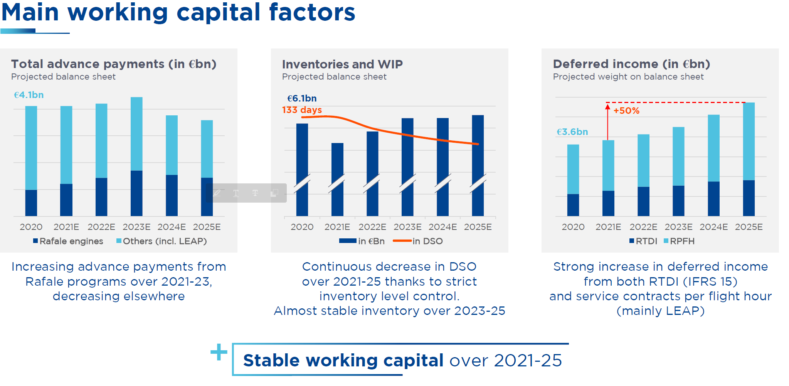
Working Capital Schedule
Cost of sales | (12,166) | (13,760) | (12,459) | (12,745) | (17,337) | (19,123) | (13,756) | (12,155) | (15,628) | (18,736) | (21,503) | (24,413) | (26,789) | (28,961) | (30,920) | (31,490) | (32,490)
Revenue | 15,044 | 18,100 | 16,482 | 16,940 | 21,025 | 25,098 | 16,631 | 15,133 | 19,523 | 23,651 | 27,716 | 31,586 | 34,952 | 38,149 | 40,932 | 41,841 | 43,494
Inventory days | 130 | 127 | 118 | 130 | 135 | 126 | 115 | 143 | 168 | 168 | 172 | 163 | 149 | 137 | 125 | 122 | 124
Inventory | 4,265 | 4,518 | 4,247 | 4,496 | 5,558 | 6,312 | 5,190 | 5,063 | 6,408 | 7,903 | 9,491 | 10,234 | 10,486 | 10,491 | 10,233 | 10,460 | 10,874
Inventory as % of adjusted revenue | 27.8% | 25.9% | 26.9% | 27.2% | 26.4% | 25.6% | 31.5% | 33.2% | 33.7% | 34.1% | 34.7% | 32.5% | 30.0% | 27.5% | 25.0% | 25.0% | 25.0%

Operating receivables days | 146 | 143 | 132 | 139 | 165 | 156 | 139 | 205 | 222 | 208 | 198 | 194 | 173 | 152 | 151 | 148 | 149
Operating receivables | 5,827 | 6,515 | 6,252 | 6,371 | 8,594 | 9,853 | 7,950 | 8,909 | 10,550 | 12,327 | 13,959 | 15,745 | 15,729 | 15,260 | 16,373 | 16,736 | 17,398
Receivables as % of adjusted revenue | 37.9% | 37.4% | 39.6% | 38.6% | 40.8% | 40.0% | 48.2% | 58.4% | 55.4% | 53.1% | 51.1% | 50.0% | 45.0% | 40.0% | 40.0% | 40.0% | 40.0%

Operating payables days | 293 | 299 | 285 | 313 | 391 | 342 | 315 | 425 | 501 | 491 | 476 | 453 | 411 | 372 | 357 | 350 | 352
Operating payables | 9,618 | 10,602 | 10,242 | 10,822 | 16,103 | 17,087 | 14,191 | 15,091 | 19,054 | 23,126 | 26,223 | 28,498 | 28,836 | 28,421 | 29,266 | 29,916 | 30,881
Payables as % of adjusted revenue | 62.6% | 60.9% | 64.9% | 65.5% | 76.5% | 69.3% | 86.0% | 98.9% | 100.1% | 99.7% | 96.0% | 90.5% | 82.5% | 74.5% | 71.5% | 71.5% | 71.0%

Working assets
Inventory | 4,265 | 4,518 | 4,247 | 4,496 | 5,558 | 6,312 | 5,190 | 5,063 | 6,408 | 7,903 | 9,491 | 10,234 | 10,486 | 10,491 | 10,233 | 10,460 | 10,874
Operating Receivables | 5,827 | 6,515 | 6,252 | 6,371 | 8,594 | 9,853 | 7,950 | 8,909 | 10,550 | 12,327 | 13,959 | 15,745 | 15,729 | 15,260 | 16,373 | 16,736 | 17,398
Other non-current assets | 29 | 35 | 28 | 16 | 17 | 37 | 56 | 34 | 26 | 7 | 7 | 7 | 7 | 7 | 7 | 7 | 7
Total working assets | 10,121 | 11,068 | 10,527 | 10,883 | 14,169 | 16,202 | 13,196 | 14,006 | 16,984 | 20,237 | 23,457 | 25,986 | 26,221 | 25,758 | 26,613 | 27,203 | 28,278

Working liabilities
Operating payables | 9,618 | 10,602 | 10,242 | 10,822 | 16,103 | 17,087 | 14,191 | 15,091 | 19,054 | 23,126 | 26,223 | 28,498 | 28,836 | 28,421 | 29,266 | 29,916 | 30,881
Other payables | 226 | 148 | 1,156 | 152 | 122 | 122 | 79 | 186 | 267 | 191 | 174 | 200 | 240 | 267 | 251 | 181 | 161
Total working liabilities | 9,844 | 10,750 | 11,398 | 10,974 | 16,225 | 17,209 | 14,270 | 15,277 | 19,321 | 23,317 | 26,397 | 28,698 | 29,075 | 28,688 | 29,517 | 30,097 | 31,042

Net Working Capital | 277 | 318 | (871) | (91) | (2,056) | (1,007) | (1,074) | (1,271) | (2,337) | (3,080) | (2,940) | (2,712) | (2,854) | (2,930) | (2,904) | (2,894) | (2,764)
% sales | 2% | 2% | -6% | -1% | -10% | -4% | -7% | -8% | -12% | -13% | -11% | -9% | -8% | -8% | -7% | -7% | -6%
Increase (decrease) in Working Capital | 172 | 41 | (1,189) | 780 | (1,965) | 1,049 | (67) | (197) | (1,066) | (743) | 140 | 228 | (142) | (76) | 26 | 11 | 130
% sales | 1% | 0% | -8% | 5% | -9% | 4% | 0% | -1% | -6% | -3% | 1% | 1% | 0% | 0% | 0% | 0% | 0%

Debt Schedule
1: Borrowings
Fixed rate:
Current | 56 | 100 | 361 | 1,018 | 1,189 | 2,425 | 1,653 | 1,360 | 926 | 1,152 | 696 | 696 | 696 | 696 | 696 | 696 | 696
Non-current | 1,264 | 1,377 | 822 | 805 | 1,014 | 2,435 | 3,729 | 4,756 | 5,069 | 4,601 | 3,704 | 3,570 | 3,570 | 3,570 | 3,570 | 3,570 | 3,570

Floating rate:
Current | 1,451 | 776 | 584 | 372 | 1,031 | 1,115 | 855 | 360 | 351 | 456 | 292 | 292 | 292 | 292 | 292 | 292 | 292
Non-current | 394 | 375 | 1,570 | 2,441 | 2,371 | 804 | 354 | 338 | 309 | 90 | 84 | 84 | 84 | 84 | 84 | 84 | 84

Total current interest bearing borrowings | 1,507 | 876 | 945 | 1,390 | 2,220 | 3,540 | 2,508 | 1,720 | 1,277 | 1,608 | 988 | 988 | 988 | 988 | 988 | 988 | 988
Total long-term interest bearing borrowings | 1,658 | 1,752 | 2,392 | 3,246 | 3,385 | 3,239 | 4,083 | 5,094 | 5,378 | 4,691 | 3,788 | 3,654 | 3,654 | 3,654 | 3,654 | 3,654 | 3,654
Total Interest Bearing Liabilities | 3,165 | 2,628 | 3,337 | 4,636 | 5,605 | 6,779 | 6,591 | 6,814 | 6,655 | 6,299 | 4,776 | 4,642 | 4,642 | 4,642 | 4,642 | 4,642 | 4,642

2: Interest Rates
Fixed rate:
Current | 1.4% | 1.0% | 0.3% | 0.1% | 0.3% | 0.0% | 0.3% | 0.7% | 0.2% | 2.7% | 2.7% | 2.7% | 2.7% | 2.7% | 2.7% | 2.7% | 2.7%
Non-current | 4.1% | 4.1% | 3.3% | 3.2% | 2.8% | 2.8% | 2.5% | 1.2% | 1.4% | 0.8% | 0.9% | 0.9% | 0.9% | 0.9% | 0.9% | 0.9% | 0.9%

Floating rate:
Current | 0.6% | 0.4% | 0.3% | 0.6% | 0.2% | 0.5% | 0.4% | 1.0% | 0.1% | 4.6% | 3.0% | 3.0% | 3.0% | 3.0% | 3.0% | 3.0% | 3.0%
Non-current | 1.3% | 0.9% | 0.9% | 0.3% | 0.3% | 0.4% | 1.3% | 1.1% | 1.3% | 2.7% | 2.4% | 2.4% | 2.4% | 2.4% | 2.4% | 2.4% | 2.4%

1x2: Interest Expense
Fixed rate: | 6 | 1 | 1 | 1 | 3 | 1 | 6 | 11 | 2 | 25 | 32 | 19 | 19 | 19 | 19 | 19 | 19
Current | 44 | 54 | 36 | 26 | 25 | 48 | 76 | 46 | 64 | 43 | 43 | 35 | 34 | 34 | 34 | 34 | 34
Non-current

Floating rate:
Current | 7 | 4 | 2 | 3 | 1 | 5 | 4 | 6 | 0 | 18 | 11 | 9 | 9 | 9 | 9 | 9 | 9
Non-current | 5 | 4 | 9 | 7 | 8 | 6 | 7 | 4 | 4 | 8 | 2 | 2 | 2 | 2 | 2 | 2 | 2

Total interest expense (for borrowings) | 61 | 62 | 47 | 36 | 37 | 59 | 92 | 67 | 71 | 94 | 88 | 65 | 63 | 63 | 63 | 63 | 63
Other interest expense | 19 | (1) | 24 | 45 | 58 | 22 | (12) | 33 | 23 | 24 | 4 | 23 | 23 | 23 | 23 | 23 | 23
% of Debt | 0.6% | -0.1% | 0.7% | 1.0% | 1.0% | 0.3% | -0.2% | 0.5% | 0.3% | 0.4% | 0.1% | 0.5% | 0.5% | 0.5% | 0.5% | 0.5% | 0.5%
Financial expense on interest bearing liabilities | 80 | 61 | 71 | 81 | 95 | 81 | 80 | 100 | 94 | 118 | 92 | 88 | 87 | 87 | 87 | 87 | 87

Cash and equivalents | 1,633 | 1,845 | 1,926 | 4,914 | 2,330 | 2,632 | 3,747 | 5,247 | 6,687 | 6,676 | 6,514 | 5,336 | 7,060 | 8,992 | 11,064 | 14,441 | 18,057
Financial income on cash & equivalents | 38 | 33 | 20 | 24 | 28 | 48 | 22 | 15 | 38 | 230 | 249 | 228 | 160 | 212 | 270 | 332 | 433
% of prior year's cash | 2.3% | 1.8% | 1.0% | 0.5% | 1.2% | 1.8% | 0.6% | 0.3% | 0.6% | 3.4% | 3.8% | 3.5% | 3.0% | 3.0% | 3.0% | 3.0% | 3.0%

Cosf of net debt | (42) | (28) | (51) | (57) | (67) | (33) | (58) | (85) | (56) | 112 | 157 | 140 | 73 | 125 | 183 | 245 | 347
sense check | - | - | - | - | - | - | - | - | - | - | - | - | - | - | - | - | -

Cash Interest Received | 38 | 33 | 20 | 24 | 26 | 49 | 22 | 14 | 38 | 229 | 249 | 228 | 160 | 212 | 270 | 332 | 433
Cash Interest Paid | (85) | (65) | (50) | (72) | (87) | (93) | (72) | (79) | (87) | (116) | (92) | (88) | (87) | (87) | (87) | (87) | (87)
Cash Interest - Net | (47) | (32) | (30) | (48) | (61) | (44) | (50) | (65) | (49) | 113 | 157 | 140 | 73 | 125 | 183 | 245 | 347

Investments in equity-accounted companies
Associates (Ingenico Group) | 153 | - | - | - | - | - | - | - | - | - | - | - | - | - | - | - | -
JVs | 618 | 765 | 2,175 | 2,119 | 2,253 | 2,211 | 2,126 | 1,969 | 1,974 | 1,928 | 1,894 | 2,034 | 2,174 | 2,314 | 2,454 | 2,594 | 2,734
Share of net equity of equity-accounted companies | 771 | 765 | 2,175 | 2,119 | 2,253 | 2,211 | 2,126 | 1,969 | 1,974 | 1,928 | 1,894 | 2,034 | 2,174 | 2,314 | 2,454 | 2,594 | 2,734

BOY Share of net equity | 680 | 771 | 765 | 2,175 | 2,127 | 2,253 | 2,211 | 2,126 | 1,969 | 1,974 | 1,928 | 1,894 | 2,034 | 2,174 | 2,314 | 2,454 | 2,594
Share in profit from associates | 18 | 4 | - | - | - | - | - | - | - | - | - | - | - | - | - | - | -
Share in profit from joint ventures | 45 | 45 | 87 | 154 | 189 | 164 | 48 | 40 | 73 | 99 | 136 | 200 | 200 | 200 | 200 | 200 | 200
Dividends received from joint ventures and associates | (27) | (41) | (24) | (44) | (65) | (77) | (18) | (596) | (26) | (16) | (43) | (60) | (60) | (60) | (60) | (60) | (60)
Dividend % of share of profits | 43% | 84% | 28% | 29% | 34% | 47% | 38% | 1490% | 36% | 16% | 32% | 30% | 30% | 30% | 30% | 30% | 30%
Other movements | 55 | (14) | 1,347 | (166) | 2 | (129) | (115) | 399 | (42) | (129) | (127) | - | - | - | - | - | -
EOY Share of net equity | 771 | 765 | 2,175 | 2,119 | 2,253 | 2,211 | 2,126 | 1,969 | 1,974 | 1,928 | 1,894 | 2,034 | 2,174 | 2,314 | 2,454 | 2,594 | 2,734

Civil AM
 |  |  |  |  | IFRS15 | IFRS15
Propulsion Commercial AM $millions |  | 2014 | 2015 | 2016 | 2017 | 2018 | 2019 | 2020 | 2021 | 2022 | 2023 | 2024 | 2025e | 2026e | 2027e | 2028e | 2029e | 2030e

Aftermarket Revenues
Total AM Revenue |  | 3,416 | 4,062 | 4,342 | 4,829 | 5,418 | 5,954 | 3,382 | 3,622 | 4,683 | 6,224 | 7,774 | 9,169 | 10,293 | 11,362 | 12,201 | 12,765 | 13,567 | 12%
 | Growth |  | 19% | 7% | 11% | 12% | 10% | -43% | 7.1% | 29.3% | 32.9% | 25% | 18% | 12% | 10% | 7% | 5% | 6%
AM CFM56 |  | 2,770 | 3,093 | 3,426 | 3,739 | 4,142 | 4,419 | 2,034 | 2,295 | 3,383 | 4,532 | 5,452 | 6,131 | 6,229 | 6,167 | 5,660 | 5,214 | 4,946 |  | 16%
 | Growth |  | 12% | 11% | 9% | 11% | 7% | -54% | 13% | 47% | 34% | 20% | 12% | 2% | -1% | -8% | -8% | -5%
AM LEAP |  | -- | -- | -- | -- | -- | -- | -- | -- | -- | 68 | 598 | 1,244 | 2,192 | 3,237 | 4,489 | 5,394 | 6,349
 | Growth |  |  |  |  |  |  |  |  |  |  | 780% | 108% | 76% | 48% | 39% | 20% | 18%
AM GE90 |  | 550 | 601 | 656 | 659 | 713 | 778 | 518 | 492 | 527 | 608 | 690 | 760 | 838 | 924 | 1,019 | 1,123 | 1,239
 | Growth |  | 9% | 9% | 0% | 8% | 9% | -34% | -5% | 7% | 16% | 13% | 10% | 10% | 10% | 10% | 10% | 10%
AM Other (balancing fig) |  | 96 | 368 | 261 | 431 | 563 | 757 | 830 | 836 | 774 | 1,016 | 1,033 | 1,033 | 1,033 | 1,033 | 1,033 | 1,033 | 1,033
 | Growth |  | 283% | -29% | 65% | 31% | 35% | 10% | 1% | -7% | 31% | 2% | 0% | 0% | 0% | 0% | 0% | 0%

CFM revenues (CFM56 / LEAP) |  |  |  |  |  | 4,142 | 4,419 | 2,034 | 2,295 | 3,383 | 4,600 | 6,051 | 7,375 | 8,421 | 9,404 | 10,148 | 10,608 | 11,295 | 16% | 14%
 | as % of Civil AM |  |  |  |  | 76% | 74% | 60% | 63% | 72% | 74% | 78% | 80% | 82% | 83% | 83% | 83% | 83%
 | as % of Propulsion |  |  |  |  |  | 32% | 23% | 26% | 32% | 35% | 40% | 42% | 42% | 43% | 43% | 42% | 42%
 | as % of Group |  |  |  |  |  | 45% | 17% | 15% | 16% | 18% | 20% | 21% | 21% | 21% | 21% | 21% | 21%

CFM revenue split
 | CFM56 |  |  |  |  |  |  |  |  |  |  | 90% | 83% | 74% | 66% | 56% | 49% | 44%
 | LEAP |  |  |  |  |  |  |  |  |  |  | 10% | 17% | 26% | 34% | 44% | 51% | 56%

Spare parts vs Services (abs.)
 | Civil aftermarket |  |  |  |  | 5,425 | 5,959 | 3,412 | 3,662 | 4,703 | 6,257 | 7,774 | 9,251 | 10,456 | 11,401 | 12,191 | 12,801 | 13,441
 | Spare parts |  |  |  |  | 3,607 | 4,011 | 2,062 | 2,136 | 3,059 | 4,004 | 4,664 | 5,597 | 6,437 | 7,081 | 7,612 | 7,992 | 8,392
 | Services |  |  |  |  | 1,818 | 1,948 | 1,350 | 1,526 | 1,645 | 2,253 | 3,110 | 3,654 | 4,019 | 4,321 | 4,580 | 4,809 | 5,049
Delta to our forecast |  |  |  |  |  | 7 | 5 | 30 | 40 | 20 | 33 | 0 | 82 | 163 | 39 | -9 | 36 | -126

Spare parts vs Services (abs.)
 | Civil aftermarket |  |  |  |  |  | 9.9% | -43.2% | 7.1% | 29.3% | 32.9% | 24.9% | 19.0% | 13.0% | 9.0% | 6.9% | 5.0% | 5.0%
 | Spare parts |  |  |  |  |  | 11.2% | -48.6% | 3.6% | 43.2% | 30.9% | 16.5% | 20.0% | 15.0% | 10.0% | 7.5% | 5.0% | 5.0%
 | Services |  |  |  |  |  | 7.2% | -30.7% | 13.0% | 7.8% | 37.0% | 38.0% | 17.5% | 10.0% | 7.5% | 6.0% | 5.0% | 5.0%

Spare parts vs Services (share)
 | Spare parts |  |  |  |  |  |  |  |  |  |  | 60% | 61% | 62% | 62% | 62% | 62% | 62%
 | Services |  |  |  |  |  |  |  |  |  |  | 40% | 39% | 38% | 38% | 38% | 38% | 38%

Civil Aftermarket EBIT
Total AM EBIT pre R&D |  | 1,711 | 1,867 | 1,918 | 2,354 | 2,906 | 3,908 | 1,724 | 1,815 | 2,282 | 2,960 | 3,592 | 4,452 | 4,864 | 5,234 | 5,484 | 5,783 | 6,312
 | Pre R&D margin | 50% | 46% | 44% | 49% | 54% | 66% | 51% | 50% | 49% | 48% | 46% | 49% | 47% | 46% | 45% | 45% | 47%

AM CFM56 |  | 1,398 | 1,419 | 1,486 | 1,852 | 2,396 | 3,596 | 1,491 | 1,593 | 2,071 | 2,717 | 3,281 | 3,985 | 4,049 | 4,009 | 3,679 | 3,389 | 3,215
 | Margin | 50% | 46% | 43% | 50% | 58% | 81% | 73% | 69% | 61% | 60% | 60% | 65% | 65% | 65% | 65% | 65% | 65%
AM LEAP |  | -- | -- | -- | -- | -- | -- | -- | -- | -- | -- | -- | 124 | 438 | 809 | 1,347 | 1,888 | 2,540
 | Margin | 0% | 0% | 0% | 0% | 0% | 0% | 0% | 0% | 0% | 0% | 0% | 10% | 20% | 25% | 30% | 35% | 40%
AM GE90 |  | 275 | 300 | 328 | 329 | 285 | 311 | 233 | 221 | 211 | 243 | 310 | 342 | 377 | 416 | 459 | 506 | 557
 | Margin | 50% | 50% | 50% | 50% | 40% | 40% | 45% | 45% | 40% | 40% | 45% | 45% | 45% | 45% | 45% | 45% | 45%
AM Other |  | 37 | 147 | 104 | 172 | 225 | -- | -- | -- | -- | -- | -- | -- | -- | -- | -- | -- | --
 | Margin | 39% | 40% | 40% | 40% | 40% | 0% | 0% | 0% | 0% | 0% | 0% | 0% | 0% | 0% | 0% | 0% | 0%

CFM profit split
 | CFM56 |  |  |  |  |  |  |  |  |  |  | 100% | 97% | 90% | 83% | 73% | 64% | 56%
 | LEAP |  |  |  |  |  |  |  |  |  |  | 0% | 3% | 10% | 17% | 27% | 36% | 44%

Installed Base
Additions
 | Gen 1 | -- | -- | -- | -- | -- | -- | -- | -- | -- | -- | -- | -- | -- | -- | -- | -- | --
 | Gen 2 | 1,560 | 1,612 | 1,693 | 1,444 | 1,044 | 391 | 157 | 107 | 60 | 52 | 60 | 35 | 30 | 30 | 30 | 30 | 30
 | CFM56 | 1,560 | 1,612 | 1,693 | 1,444 | 1,044 | 391 | 157 | 107 | 60 | 52 | 60 | 35 | 30 | 30 | 30 | 30 | 30
 | LEAP | -- | -- | 77 | 461 | 1,119 | 1,736 | 815 | 845 | 1,136 | 1,570 | 1,407 | 1,614 | 1,959 | 2,233 | 2,365 | 2,384 | 2,384
 | Total Engines Additions | 1,560 | 1,612 | 1,770 | 1,905 | 2,163 | 2,127 | 972 | 952 | 1,196 | 1,622 | 1,467 | 1,649 | 1,989 | 2,263 | 2,395 | 2,414 | 2,414

Retirements
 | Gen 1 | 400 | 280 | 196 | 276 | 188 | 190 | 170 | 120 | 94 | 118 | 94 | 134 | 151 | 167 | 180 | 191 | 181
 | Gen 2 (source: Cirium) | 44 | 54 | 68 | 82 | 90 | 208 | 162 | 204 | 270 | 358 | 306 | 332 | 546 | 746 | 721 | 697 | 674
 | CFM56 | 444 | 334 | 264 | 358 | 278 | 398 | 332 | 324 | 364 | 476 | 400 | 466 | 697 | 913 | 901 | 888 | 855
 | LEAP | -- | -- | -- | -- | -- | -- | -- | -- | -- | -- | -- | -- | -- | -- | -- | -- | --
 | Total Engines Retirements | 444 | 334 | 264 | 358 | 278 | 398 | 332 | 324 | 364 | 476 | 400 | 466 | 697 | 913 | 901 | 888 | 855

Retirments (as % of installed base)
 | Gen 1 | 6.1% | 4.5% | 3.3% | 4.8% | 3.5% | 3.6% | 3.4% | 2.5% | 2.0% | 2.5% | 2.1% | 3.0% | 3.5% | 4.0% | 4.5% | 5.0% | 5.0%
 | Gen 2 | 0.3% | 0.3% | 0.4% | 0.4% | 0.4% | 0.9% | 0.7% | 0.9% | 1.2% | 1.6% | 1.4% | 1.5% | 2.5% | 3.5% | 3.5% | 3.5% | 3.5% | Observation: 6% per annum 23-25 to take 2025 fleet to SAF forecasted 19k.
 | CFM56 | 1.9% | 1.3% | 1.0% | 1.3% | 1.0% | 1.4% | 1.2% | 1.2% | 1.3% | 1.8% | 1.5% | 1.8% | 2.7% | 3.7% | 3.8% | 3.9% | 3.9%
 | LEAP |  |  | 0.0% | 0.0% | 0.0% | 0.0% | 0.0% | 0.0% | 0.0% | 0.0% | 0.0% | 0.0% | 0.0% | 0.0% | 0.0% | 0.0% | 0.0%
 | Total Engines Retirements | 1.9% | 1.3% | 1.0% | 1.3% | 0.9% | 1.3% | 1.0% | 1.0% | 1.1% | 1.4% | 1.1% | 1.3% | 1.8% | 2.3% | 2.2% | 2.1% | 1.9%

Installed Base
 | Gen 1 | 6,176 | 5,896 | 5,700 | 5,424 | 5,236 | 5,046 | 4,876 | 4,756 | 4,662 | 4,544 | 4,450 | 4,317 | 4,165 | 3,999 | 3,819 | 3,628 | 3,447
 | Gen 2 | 17,320 | 18,878 | 20,503 | 21,865 | 22,819 | 23,002 | 22,997 | 22,900 | 22,690 | 22,384 | 22,138 | 21,841 | 21,325 | 20,609 | 19,917 | 19,250 | 18,606
 | CFM56 | 23,496 | 24,774 | 26,203 | 27,289 | 28,055 | 28,048 | 27,873 | 27,656 | 27,352 | 26,928 | 26,588 | 26,157 | 25,490 | 24,607 | 23,736 | 22,878 | 22,053
 | LEAP | -- | -- | 77 | 538 | 1,657 | 3,393 | 4,208 | 5,053 | 6,189 | 7,759 | 9,166 | 10,780 | 12,739 | 14,972 | 17,337 | 19,721 | 22,105
 | Total Installed Base | 23,496 | 24,774 | 26,280 | 27,827 | 29,712 | 31,441 | 32,081 | 32,709 | 33,541 | 34,687 | 35,754 | 36,937 | 38,229 | 39,579 | 41,073 | 42,599 | 44,158
 |  | 5% | 5% | 6% | 6% | 7% | 6% | 2% | 2% | 3% | 3% | 3% | 3% | 3% | 4% | 4% | 4% | 4%
 |  |  |  |  |  |  |  |  |  |  |  |  |  |  |  |  |  | 3.2%
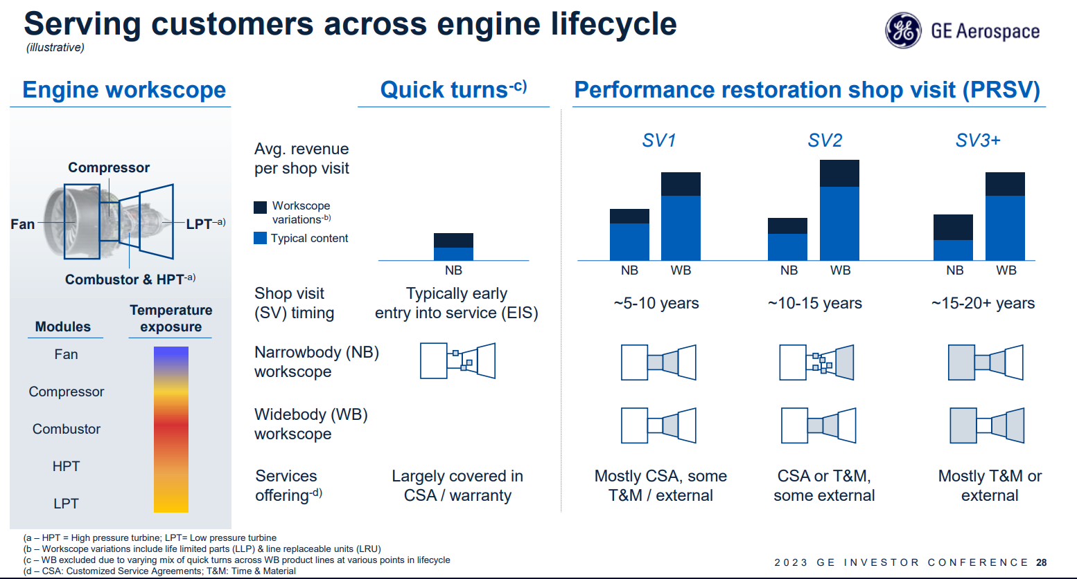
Shop Visits
CFM56
Implied Shop Visits
Gen 1 |  | 235 | 230 | 198 | 119 | 68 | 45 | 42 | 27 | 16 | 7 | 5 | 2 | 2 | 1 | -- | -- | --
Gen 2 |  | 1,666 | 1,743 | 1,869 | 2,025 | 2,272 | 2,317 | 1,158 | 1,332 | 1,758 | 2,022 | 2,184 | 2,302 | 2,304 | 2,264 | 2,184 | 2,111 | 2,023
 | Total CFM 56 shop visits | 1,901 | 1,973 | 2,067 | 2,144 | 2,339 | 2,362 | 1,210 | 1,359 | 1,775 | 2,028 | 2,189 | 2,304 | 2,306 | 2,265 | 2,184 | 2,111 | 2,023
 | % growth |  | 3.8% | 4.7% | 3.7% | 9.1% | 1.0% | -48.8% | 12.3% | 30.6% | 14.3% | 7.9% | 5.3% | 0.1% | -1.8% | -3.6% | -3.3% | -4.2%

Group by SV - Fleet SV 5B-7B
 | No SV |  |  |  |  | 60% | 56% | 53% | 50% | 45% | 45% | 40% | 37% | 33% | 29% | 26% | 23% | 20%
 | SV1 |  |  |  |  | 40% | 37% | 33% | 30% | 30% | 30% | 29% | 30% | 30% | 31% | 31% | 32% | 32%
 | SV2 &+ |  |  |  |  | 0% | 7% | 13% | 20% | 25% | 25% | 31% | 34% | 37% | 40% | 43% | 45% | 48%

Group by SV - Fleet SV 5B-7B
 | No SV |  |  |  |  | 13,600 | 12,973 | 12,234 | 11,450 | 10,211 | 10,073 | 8,855 | 7,972 | 7,037 | 6,080 | 5,178 | 4,428 | 3,721
 | SV1 |  |  |  |  | 9,128 | 8,434 | 7,666 | 6,870 | 6,807 | 6,715 | 6,420 | 6,443 | 6,397 | 6,286 | 6,174 | 6,160 | 5,954
 | SV2 &+ |  |  |  |  | 91 | 1,595 | 3,097 | 4,580 | 5,672 | 5,596 | 6,863 | 7,426 | 7,890 | 8,243 | 8,564 | 8,663 | 8,931

Number SV 5B-7B
 | Number SV1 | 761 | 901 | 1,002 | 1,083 | 1,109 | 1,174 | 598 | 688 | 928 | 1,160 | 1,335 | 1,333 | 1,144 | 960 | 531 | 218 | 108
 | Number SV2+ | 905 | 842 | 867 | 942 | 1,162 | 1,143 | 560 | 644 | 830 | 861 | 849 | 969 | 1,160 | 1,304 | 1,653 | 1,893 | 1,915
 | Total | 1,666 | 1,743 | 1,869 | 2,025 | 2,272 | 2,317 | 1,158 | 1,332 | 1,758 | 2,022 | 2,184 | 2,302 | 2,304 | 2,264 | 2,184 | 2,111 | 2,023

SV - Split by Type - GEN 1
 | SV1 | 13 | 10 | 5 | 3 | 2 | -- | -- | -- | -- | -- | -- | -- | -- | -- | -- | -- | --
 | SV2 | 117 | 82 | 78 | 51 | 33 | 13 | 10 | 5 | 3 | 2 | -- | -- | -- | -- | -- | -- | --
 | SV2 + | 105 | 138 | 116 | 65 | 33 | 32 | 32 | 22 | 13 | 5 | 5 | 2 | 2 | 1 | -- | -- | --
 | Total | 235 | 230 | 198 | 119 | 68 | 45 | 42 | 27 | 16 | 7 | 5 | 2 | 2 | 1 | -- | -- | --
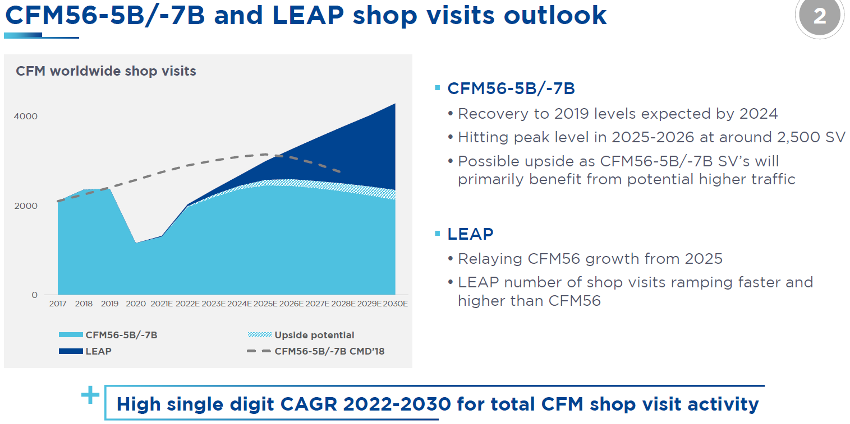
SV - Split by Type GEN 2
 | Share SV 1&2 within total of Gen 2 |  |  |  |  | 75% | 75% | 75% | 75% | 75% | 75% | 75% | 75% | 70% | 65% | 60% | 55% | 50%
 | SV 1&2 |  |  |  |  |  | 1,737 | 869 | 999 | 1,319 | 1,516 | 1,638 | 1,727 | 1,613 | 1,472 | 1,310 | 1,161 | 1,012
 | SV1 |  |  |  |  |  | 1,174 | 598 | 688 | 928 | 1,160 | 1,335 | 1,333 | 1,144 | 960 | 531 | 218 | 108
 | SV2 |  |  |  |  |  | 563 | 271 | 311 | 390 | 356 | 303 | 394 | 469 | 512 | 780 | 943 | 904
 | SV2 + |  |  |  |  |  | 579 | 290 | 333 | 440 | 505 | 546 | 576 | 691 | 792 | 874 | 950 | 1,012

SV - Split by Type - TOTAL
 | SV1 | 41% | 46% | 49% | 51% | 48% | 50% | 50% | 51% | 52% | 57% | 61% | 58% | 50% | 42% | 24% | 10% | 5%
 | SV2 | 37% | 35% | 33% | 31% | 27% | 24% | 23% | 23% | 22% | 18% | 14% | 17% | 20% | 23% | 36% | 45% | 45%
 | SV2 + | 22% | 19% | 18% | 18% | 25% | 26% | 27% | 26% | 26% | 25% | 25% | 25% | 30% | 35% | 40% | 45% | 50%

Revenue per SV - portion of total revenue
 | SV1 | 100% | 100% | 100% | 100% | 100% | 100% | 100% | 100% | 100% | 100% | 100% | 100% | 100% | 100% | 100% | 100% | 100%
 | SV2 | 70% | 70% | 70% | 70% | 70% | 70% | 70% | 70% | 70% | 70% | 70% | 70% | 70% | 70% | 70% | 70% | 70%
 | SV2 + | 50% | 50% | 50% | 50% | 50% | 50% | 50% | 50% | 50% | 50% | 50% | 50% | 50% | 50% | 50% | 50% | 50%

Revenue (to Safran) |  | 2,770 | 3,093 | 3,426 | 3,739 | 4,142 | 4,419 | 2,034 | 2,295 | 3,383 | 4,532 | 5,452 | 6,131 | 6,229 | 6,167 | 5,660 | 5,214 | 4,946
 | Avg Revenue per SV | 1.46 | 1.57 | 1.66 | 1.74 | 1.77 | 1.87 | 1.68 | 1.69 | 1.91 | 2.23 | 2.49 | 2.66 | 2.70 | 2.72 | 2.59 | 2.47 | 2.44
 | Revenue per SV1 | 1.87 | 1.96 | 2.05 | 2.14 | 2.23 | 2.35 | 2.11 | 2.11 | 2.37 | 2.72 | 2.99 | 3.23 | 3.43 | 3.60 | 3.74 | 3.85 | 3.97
 | Revenue per SV2 | 1.31 | 1.37 | 1.43 | 1.50 | 1.56 | 1.64 | 1.48 | 1.48 | 1.66 | 1.90 | 2.09 | 2.26 | 2.40 | 2.52 | 2.62 | 2.70 | 2.78
 | Revenue per SV2 + | 0.94 | 0.98 | 1.02 | 1.07 | 1.12 | 1.17 | 1.06 | 1.06 | 1.18 | 1.36 | 1.50 | 1.62 | 1.71 | 1.80 | 1.87 | 1.93 | 1.98

 | Increase in Revenue per SV1 |  | 5% | 5% | 5% | 5% | 5% | -10% | 0% | 12% | 15% | 10% | 8% | 6% | 5% | 4% | 3% | 3%
 | Increase in Revenue per SV2 |  | 5% | 5% | 5% | 5% | 5% | -10% | 0% | 12% | 15% | 10% | 8% | 6% | 5% | 4% | 3% | 3%
 | Increase in Revenue per SV2 + |  | 5% | 5% | 5% | 5% | 5% | -10% | 0% | 12% | 15% | 10% | 8% | 6% | 5% | 4% | 3% | 3%

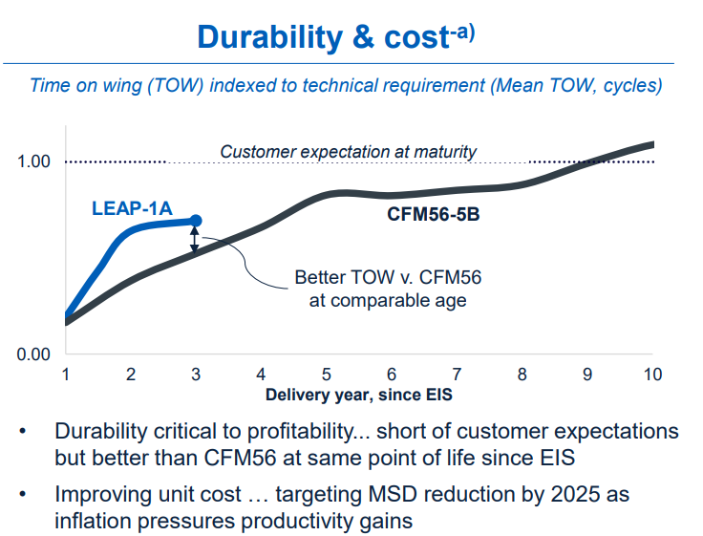
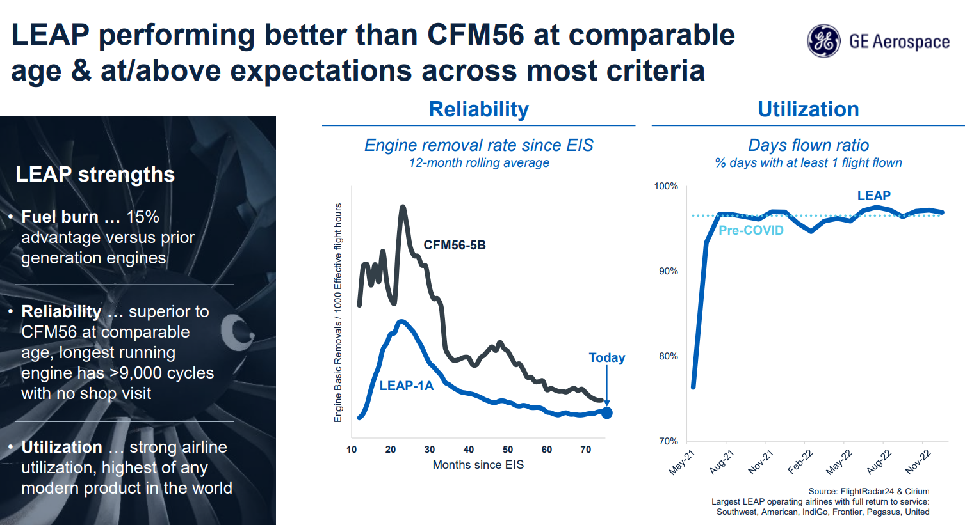
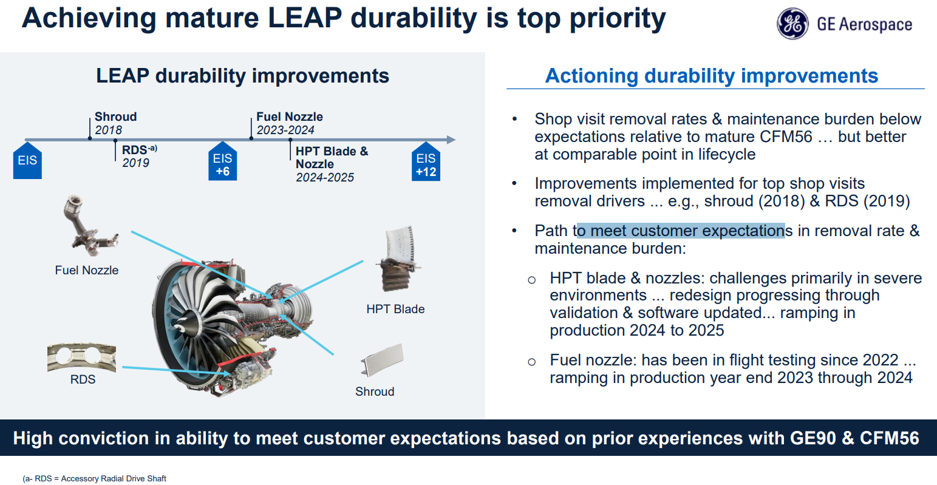
LEAP revenue |  | -- | -- | -- | -- | -- | -- | -- | -- | -- | 68 | 598 | 1,244 | 2,192 | 3,237 | 4,489 | 5,394 | 6,349
T&M and ESPO Revenue to Safran |  | -- | -- | -- | -- | -- | -- | -- | -- | -- | 123 | 1,077 | 1,591 | 2,439 | 3,183 | 3,950 | 4,719 | 5,524
 | Installed base | -- | -- | 77 | 538 | 1,657 | 3,393 | 4,208 | 5,053 | 6,189 | 7,759 | 9,166 | 10,780 | 12,739 | 14,972 | 17,337 | 19,721 | 22,105
 | Implied Shop Visits | -- | -- | -- | -- | -- | -- | -- | -- | -- | 50 | 400 | 550 | 800 | 1,000 | 1,200 | 1,400 | 1,600 | CMD21 slide 60: revenue = cost until 2026
 | % on ESPO and T&M | 100% | 100% | 96% | 94% | 92% | 92% | 92% | 92% | 91% | 91% | 90% | 90% | 89% | 89% | 88% | 88% | 87%
LEAP ESPH cash to Safran |  | -- | -- | 0 | 3 | 11 | 29 | 43 | 59 | 81 | 111 | 170 | 228 | 298 | 386 | 489 | 602 | 728
 | Fleet under ESPH - year end | -- | -- | 3 | 30 | 126 | 265 | 337 | 424 | 557 | 737 | 917 | 1,132 | 1,401 | 1,722 | 2,080 | 2,465 | 2,874
 | Avg Fleet ESPH |  | -- | 1 | 16 | 78 | 195 | 301 | 381 | 491 | 647 | 827 | 1,024 | 1,267 | 1,562 | 1,901 | 2,273 | 2,669
 | ESPH revenue per year to Safran | 0.23 | 0.24 | 0.26 | 0.27 | 0.28 | 0.29 | 0.26 | 0.26 | 0.30 | 0.34 | 0.37 | 0.40 | 0.43 | 0.45 | 0.47 | 0.48 | 0.50
 | Safran Share | 0% | 0% | 43% | 59% | 52% | 51% | 54% | 59% | 56% | 50% | 55% | 55% | 55% | 55% | 55% | 55% | 55%
 | %RPFH |  |  | 18% | 28% | 38% | 39% | 40% | 42% | 45% | 48% | 50% | 53% | 55% | 58% | 60% | 63% | 65% | CMD21 slide 86: confirm trend towards RPFH agreements representing 60-70% of installed LEAP fleet
 | % ESPO | 80% | 80% | 80% | 80% | 80% | 80% | 80% | 80% | 80% | 80% | 80% | 80% | 80% | 80% | 80% | 80% | 80%
 | % ESPH | 20% | 20% | 20% | 20% | 20% | 20% | 20% | 20% | 20% | 20% | 20% | 20% | 20% | 20% | 20% | 20% | 20%
 | % Time & Materials | 100% | 100% | 82% | 72% | 62% | 61% | 60% | 58% | 55% | 53% | 50% | 48% | 45% | 43% | 40% | 38% | 35%
LEAP ESPH revenue to Safran |  | -- | -- | -- | -- | -- | -- | -- | -- | -- | 11 | 100 | 154 | 238 | 313 | 373 | 432 | 508

PRSV SV volume |  |  |  |  |  |  |  |  |  |  |  | 400 | 1,200 | 1,400 | 1,650 | 1,900 | 2,025 | 2,150 | Source: CMD24 slide 63

CMF SVs share |  |  |  |  |  |  |  |  |  |  |  | 90% | 87% | 84% | 81% | 78% | 75% | 70% | Source: GE 1H25 slide 25, SAF CMD24 slide 65
 | Safran share (@50%) |  |  |  |  |  |  |  |  |  |  | 45% | 44% | 42% | 41% | 39% | 38% | 35%

CFM SV share (abs.) |  |  |  |  |  |  |  |  |  |  |  | 720 | 1,523 | 1,848 | 2,147 | 2,418 | 2,569 | 2,625
 | Safran share abs.) |  |  |  |  |  |  |  |  |  |  | 360 | 761 | 924 | 1,073 | 1,209 | 1,284 | 1,313 | Source: CMD24 slide 66: Safran MRO capacity ramp to ~1,200 SV/yr

GE90 Aftermarket Revenue to Safran |  | 550 | 601 | 656 | 659 | 713 | 778 | 518 | 492 | 527 | 608 | 690 | 760 | 838 | 924 | 1,019 | 1,123 | 1,239
 | Shop Visits | 580 | 609 | 640 | 672 | 698 | 733 | 513 | 488 | 497 | 547 | 591 | 621 | 652 | 684 | 718 | 754 | 792
 | Growth |  | 5% | 5% | 5% | 4% | 5% | -30% | -5% | 2% | 10% | 8% | 5% | 5% | 5% | 5% | 5% | 5%
 | Revenue per shop visit $m | 4.0 | 4.2 | 4.3 | 4.1 | 4.3 | 4.5 | 4.3 | 4.3 | 4.5 | 4.7 | 4.9 | 5.2 | 5.4 | 5.7 | 6.0 | 6.3 | 6.6
 | Safran Share | 24% | 24% | 24% | 24% | 24% | 24% | 24% | 24% | 24% | 24% | 24% | 24% | 24% | 24% | 24% | 24% | 24%
 | Pricing growth |  | 4% | 4% | 4% | 4% | 4% | -5% | 0% | 5% | 5% | 5% | 5% | 5% | 5% | 5% | 5% | 5%
 | Shop visit content value growth |  |  |  | -8%
 | Revenue per shop visit growth |  | 4% | 4% | -4% | 4% | 4% | -5% | 0% | 5% | 5% | 5% | 5% | 5% | 5% | 5% | 5% | 5%

AM Revenue LEAP & CFM56
 | Spare parts and T&M |  |  | 88% | 88% | 87% | 87% | 86% | 86% | 85% | 85% | 85% | 85% | 83% | 80% | 80% | 80% | 80%
 | RPFH |  |  |  | 12% | 13% | 13% | 14% | 14% | 15% | 15% | 15% | 15% | 18% | 20% | 20% | 20% | 20%

AM Revenue LEAP & CFM56 |  | 2,770 | 3,093 | 3,426 | 3,739 | 4,142 | 4,419 | 2,034 | 2,295 | 3,383 | 4,600 | 6,051 | 7,375 | 8,421 | 9,404 | 10,148 | 10,608 | 11,295
 | Spare parts and T&M |  |  | 3,015 | 3,291 | 3,621 | 3,836 | 1,753 | 1,964 | 2,875 | 3,910 | 5,143 | 6,269 | 6,947 | 7,523 | 8,119 | 8,486 | 9,036
 | RPFH |  |  | 411 | 449 | 522 | 583 | 281 | 330 | 507 | 690 | 908 | 1,106 | 1,474 | 1,881 | 2,030 | 2,122 | 2,259

Working capital effect of ESPH agreements
 | Delta between cash and ESPH revenue |  |  | (0) | (3) | (11) | (29) | (43) | (59) | (81) | (100) | (70) | (74) | (61) | (73) | (116) | (170) | (220)
 | Assumed margin % |  |  | 0% | 0% | 0% | 0% | 0% | 0% | 0% | 0% | 0% | 10% | 20% | 25% | 30% | 35% | 40%
 | LEAP working capital impact |  |  | -- | -- | -- | -- | -- | -- | -- | -- | -- | 7 | 12 | 18 | 35 | 59 | 88

